Trial results
Sat Jan 09 2021 14:19:16 GMT-0800 (Pacific Standard Time)
simulationClover.js:834 CovidSIMVL Cloverdale U0+U8
simulationClover.js:4339 exit covidSim
simulationClover.js:23 getAsText File {name: "ClPop70.csv", lastModified: 1610213782000, lastModifiedDate: Sat Jan 09 2021 09:36:22 GMT-0800 (Pacific Standard Time), webkitRelativePath: "", size: 2886, …}
simulationClover.js:32 File {name: "ClPop70.csv", lastModified: 1610213782000, lastModifiedDate: Sat Jan 09 2021 09:36:22 GMT-0800 (Pacific Standard Time), webkitRelativePath: "", size: 2886, …}
simulationClover.js:23 getAsText File {name: "VL1.csv", lastModified: 1608081530000, lastModifiedDate: Tue Dec 15 2020 17:18:50 GMT-0800 (Pacific Standard Time), webkitRelativePath: "", size: 65, …}
simulationClover.js:32 File {name: "VL1.csv", lastModified: 1608081530000, lastModifiedDate: Tue Dec 15 2020 17:18:50 GMT-0800 (Pacific Standard Time), webkitRelativePath: "", size: 65, …}
simulationClover.js:1745 inflate universe index 2.65 in U0
simulationClover.js:1745 inflate universe index 2.65 in U8
simulationClover.js:2173 1I i:famKey 20:F05 infected by blue j:famKey 5:F05 at gen 18 in U8 prob=0.652
simulationClover.js:2156 2I j:famKey 9:F09 infected by red i:famKey 5:F05 at gen 62 in Univ0 prob=0.486
simulationClover.js:2173 3I i:famKey 21:F05 infected by red j:famKey 5:F05 at gen 78 in U8 prob=0.876
simulationClover.js:2156 4I j:famKey 14:F14 infected by red i:famKey 5:F05 at gen 132 in Univ0 prob=0.395
simulationClover.js:2173 5I i:famKey 8:F08 infected by blue j:famKey 9:F09 at gen 158 in U0 prob=0.792
simulationClover.js:2173 6I i:famKey 1:F01 infected by blue j:famKey 9:F09 at gen 176 in U0 prob=0.189
simulationClover.js:2173 7I i:famKey 34:F09 infected by red j:famKey 9:F09 at gen 208 in U8 prob=0.907
simulationClover.js:2156 8I j:famKey 15:F15 infected by red i:famKey 9:F09 at gen 230 in Univ0 prob=0.678
simulationClover.js:2173 9I i:famKey 49:F14 infected by blue j:famKey 14:F14 at gen 241 in U8 prob=0.726
simulationClover.js:2156 10I j:famKey 12:F12 infected by blue i:famKey 8:F08 at gen 254 in Univ0 prob=0.714
simulationClover.js:2156 11I j:famKey 18:F18 infected by blue i:famKey 15:F15 at gen 302 in Univ0 prob=0.659
simulationClover.js:2173 12I i:famKey 7:F07 infected by red j:famKey 8:F08 at gen 322 in U0 prob=0.671
simulationClover.js:2173 13I i:famKey 13:F13 infected by red j:famKey 14:F14 at gen 325 in U0 prob=0.693
simulationClover.js:2156 14I j:famKey 6:F06 infected by red i:famKey 1:F01 at gen 347 in Univ0 prob=0.520
simulationClover.js:2156 14I j:famKey 2:F02 infected by red i:famKey 1:F01 at gen 348 in Univ0 prob=0.581
simulationClover.js:2173 16I i:famKey 33:F09 infected by red j:famKey 34:F09 at gen 350 in U8 prob=0.503
simulationClover.js:2156 17I j:famKey 16:F16 infected by blue i:famKey 12:F12 at gen 352 in Univ0 prob=0.943
simulationClover.js:2173 18I i:famKey 41:F12 infected by red j:famKey 12:F12 at gen 383 in U8 prob=0.532
simulationClover.js:2173 19I i:famKey 11:F11 infected by blue j:famKey 13:F13 at gen 397 in U0 prob=0.114
simulationClover.js:2156 20I j:famKey 4:F04 infected by red i:famKey 15:F15 at gen 400 in Univ0 prob=0.931

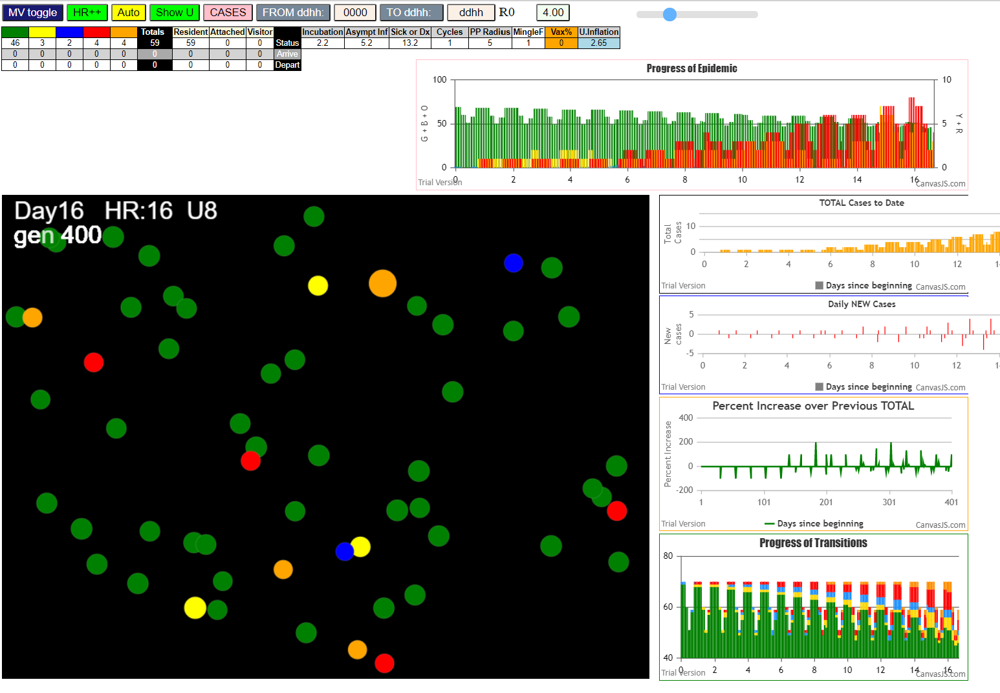

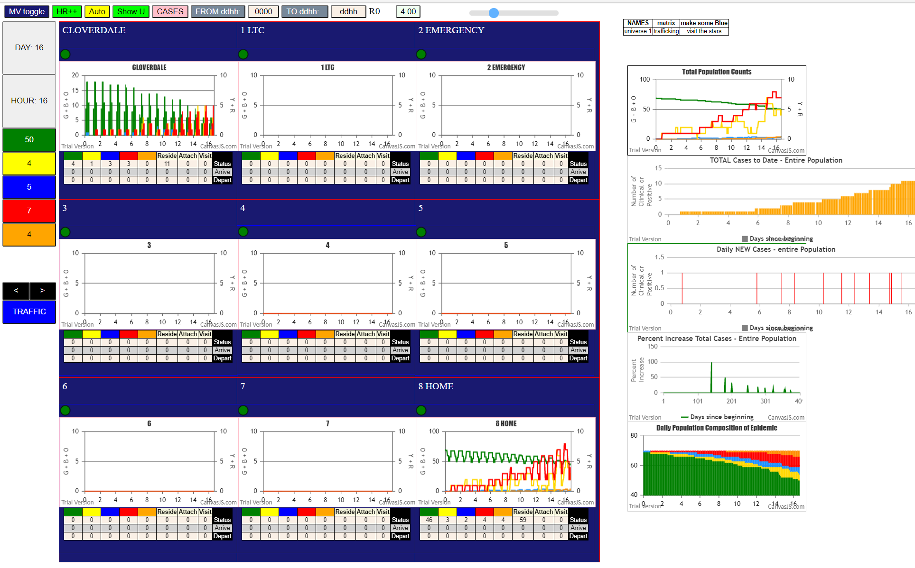

Sat Jan 09 2021 14:23:57 GMT-0800 (Pacific Standard Time)
simulationClover.js:834 CovidSIMVL Cloverdale U0+U8
simulationClover.js:4339 exit covidSim
simulationClover.js:23 getAsText File {name: "ClPop70.csv", lastModified: 1610213782000, lastModifiedDate: Sat Jan 09 2021 09:36:22 GMT-0800 (Pacific Standard Time), webkitRelativePath: "", size: 2886, …}
simulationClover.js:32 File {name: "ClPop70.csv", lastModified: 1610213782000, lastModifiedDate: Sat Jan 09 2021 09:36:22 GMT-0800 (Pacific Standard Time), webkitRelativePath: "", size: 2886, …}
simulationClover.js:23 getAsText File {name: "VL1.csv", lastModified: 1608081530000, lastModifiedDate: Tue Dec 15 2020 17:18:50 GMT-0800 (Pacific Standard Time), webkitRelativePath: "", size: 65, …}
simulationClover.js:32 File {name: "VL1.csv", lastModified: 1608081530000, lastModifiedDate: Tue Dec 15 2020 17:18:50 GMT-0800 (Pacific Standard Time), webkitRelativePath: "", size: 65, …}
simulationClover.js:1745 inflate universe index 2.65 in U0
simulationClover.js:1745 inflate universe index 2.65 in U8
simulationClover.js:2173 1I i:famKey 20:F05 infected by red j:famKey 5:F05 at gen 15 in U8 prob=0.944
simulationClover.js:2156 2I j:famKey 9:F09 infected by red i:famKey 5:F05 at gen 32 in Univ0 prob=0.640
simulationClover.js:2156 3I j:famKey 11:F11 infected by red i:famKey 5:F05 at gen 35 in Univ0 prob=0.827
simulationClover.js:2156 3I j:famKey 2:F02 infected by red i:famKey 5:F05 at gen 36 in Univ0 prob=0.092
simulationClover.js:2173 5I i:famKey 1:F01 infected by red j:famKey 5:F05 at gen 59 in U0 prob=0.805
simulationClover.js:2156 6I j:famKey 8:F08 infected by red i:famKey 5:F05 at gen 82 in Univ0 prob=0.502
simulationClover.js:2173 7I i:famKey 7:F07 infected by blue j:famKey 9:F09 at gen 110 in U0 prob=0.074
simulationClover.js:2173 8I i:famKey 6:F06 infected by blue j:famKey 11:F11 at gen 128 in U0 prob=0.405
simulationClover.js:2173 9I i:famKey 32:F09 infected by blue j:famKey 9:F09 at gen 139 in U8 prob=0.099
simulationClover.js:2156 10I j:famKey 12:F12 infected by red i:famKey 1:F01 at gen 179 in Univ0 prob=0.993
simulationClover.js:2173 11I i:famKey 0:-1 infected by red j:famKey 1:F01 at gen 199 in U0 prob=0.525
simulationClover.js:2173 11I i:famKey 4:F04 infected by blue j:famKey 8:F08 at gen 199 in U0 prob=0.775
simulationClover.js:2156 13I j:famKey 3:F03 infected by red i:famKey 1:F01 at gen 227 in Univ0 prob=0.650
simulationClover.js:2173 14I i:famKey 25:F06 infected by blue j:famKey 6:F06 at gen 238 in U8 prob=0.433
simulationClover.js:2173 15I i:famKey 27:F07 infected by red j:famKey 7:F07 at gen 241 in U8 prob=0.448
simulationClover.js:2156 16I j:famKey 15:F15 infected by red i:famKey 8:F08 at gen 251 in Univ0 prob=0.968
simulationClover.js:2156 16I j:famKey 16:F16 infected by blue i:famKey 12:F12 at gen 252 in Univ0 prob=0.667
simulationClover.js:2173 18I i:famKey 30:F08 infected by red j:famKey 8:F08 at gen 255 in U8 prob=0.280
simulationClover.js:2156 19I j:famKey 17:F17 infected by red i:famKey 8:F08 at gen 275 in Univ0 prob=0.751
simulationClover.js:2156 20I j:famKey 13:F13 infected by blue i:famKey 3:F03 at gen 278 in Univ0 prob=0.190
simulationClover.js:2173 21I i:famKey 39:F11 infected by red j:famKey 11:F11 at gen 286 in U8 prob=0.169
simulationClover.js:2173 22I i:famKey 57:F17 infected by blue j:famKey 17:F17 at gen 364 in U8 prob=0.049
simulationClover.js:2173 23I i:famKey 24:F06 infected by red j:famKey 25:F06 at gen 371 in U8 prob=0.709
simulationClover.js:2156 24I j:famKey 10:F10 infected by red i:famKey 7:F07 at gen 373 in Univ0 prob=0.134
simulationClover.js:2156 25I j:famKey 19:F19 infected by red i:famKey 3:F03 at gen 376 in Univ0 prob=0.103
simulationClover.js:2156 25I j:famKey 28:F07 infected by red i:famKey 27:F07 at gen 376 in Univ8 prob=0.347

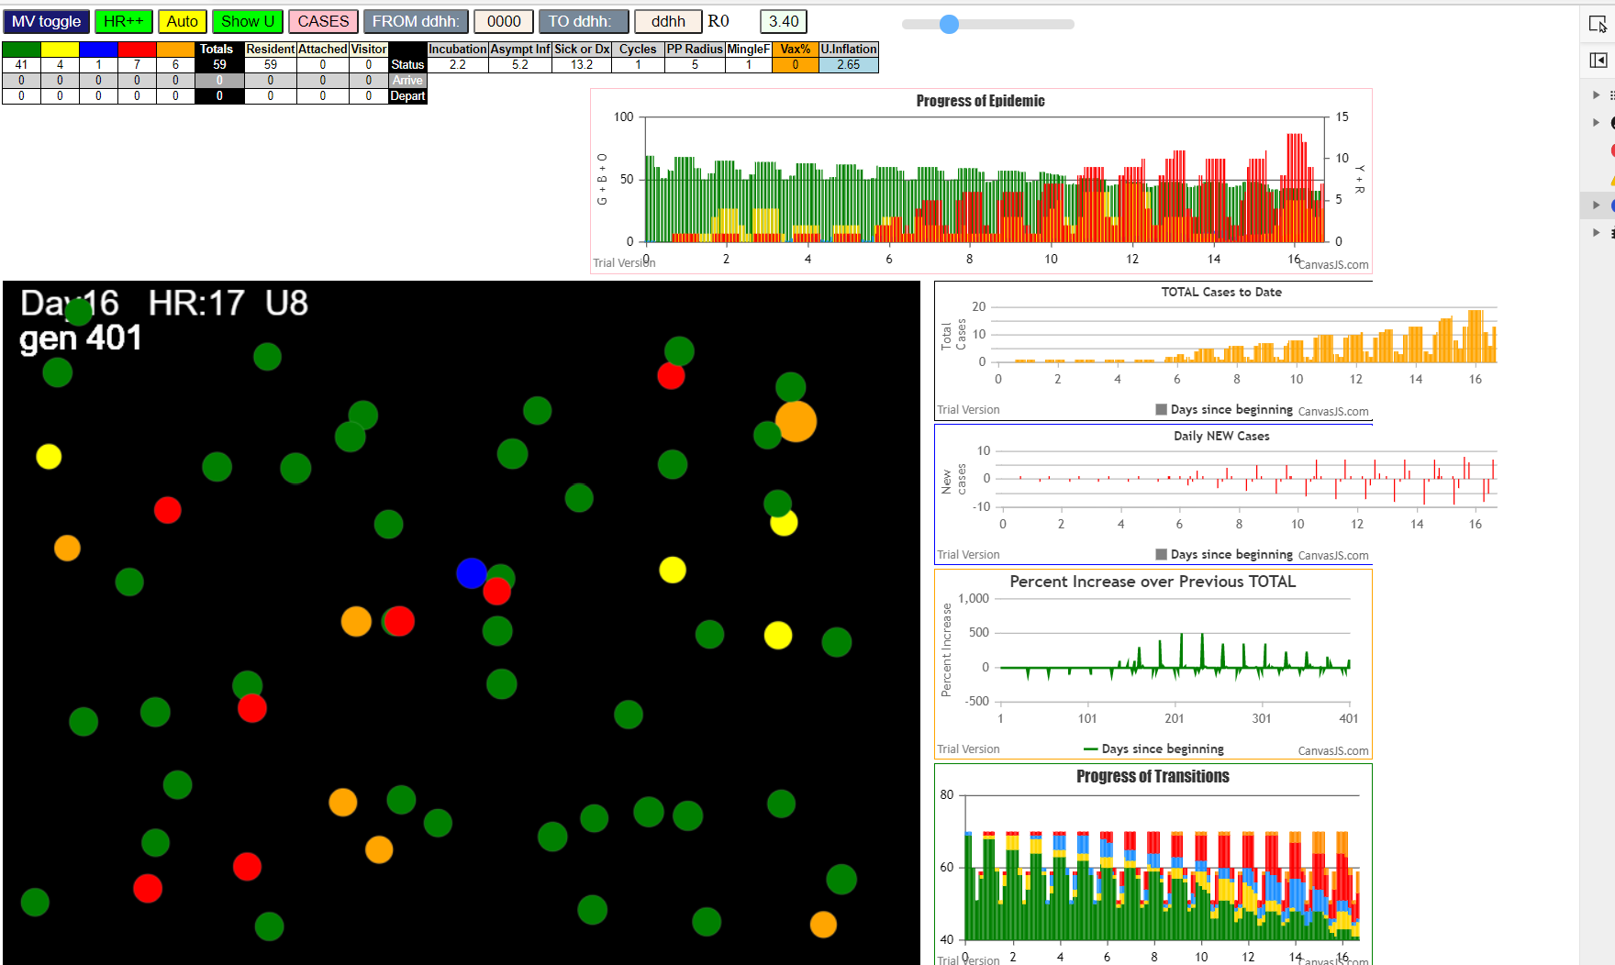

nineteen reds and oranges
actually, 13+7 -1 (original)

Sat Jan 09 2021 14:58:53 GMT-0800 (Pacific Standard Time)
simulationClover.js:834 CovidSIMVL Cloverdale U0+U8
simulationClover.js:4342 exit covidSim
simulationClover.js:23 getAsText File {name: "ClPop70.csv", lastModified: 1610213782000, lastModifiedDate: Sat Jan 09 2021 09:36:22 GMT-0800 (Pacific Standard Time), webkitRelativePath: "", size: 2886, …}
simulationClover.js:32 File {name: "ClPop70.csv", lastModified: 1610213782000, lastModifiedDate: Sat Jan 09 2021 09:36:22 GMT-0800 (Pacific Standard Time), webkitRelativePath: "", size: 2886, …}
simulationClover.js:23 getAsText File {name: "VL1.csv", lastModified: 1610231634000, lastModifiedDate: Sat Jan 09 2021 14:33:54 GMT-0800 (Pacific Standard Time), webkitRelativePath: "", size: 65, …}
simulationClover.js:32 File {name: "VL1.csv", lastModified: 1610231634000, lastModifiedDate: Sat Jan 09 2021 14:33:54 GMT-0800 (Pacific Standard Time), webkitRelativePath: "", size: 65, …}
simulationClover.js:1370 1 TURNED RED in U8 gen 1 TOTAL 0
simulationClover.js:1748 inflate universe index 2.7 in U0
simulationClover.js:1748 inflate universe index 2.65 in U8
simulationClover.js:2159 1I j:famKey 5:F05 infected by red i:famKey 1:F01 at gen 14 in Univ0 prob=0.434
simulationClover.js:2159 2I j:famKey 6:F06 infected by red i:famKey 1:F01 at gen 103 in Univ0 prob=0.859
simulationClover.js:1370 5 TURNED RED in U8 gen 130 TOTAL 1
simulationClover.js:2159 3I j:famKey 10:F10 infected by red i:famKey 5:F05 at gen 158 in Univ0 prob=0.488
simulationClover.js:2159 4I j:famKey 9:F09 infected by blue i:famKey 6:F06 at gen 180 in Univ0 prob=0.748
simulationClover.js:2176 5I i:famKey 0:-1 infected by blue j:famKey 6:F06 at gen 223 in U0 prob=0.669
simulationClover.js:1370 6 TURNED RED in U8 gen 227 TOTAL 1
simulationClover.js:2176 6I i:famKey 8:F08 infected by blue j:famKey 10:F10 at gen 251 in U0 prob=0.642
simulationClover.js:2159 7I j:famKey 17:F17 infected by red i:famKey 5:F05 at gen 253 in Univ0 prob=0.518
simulationClover.js:2159 7I j:famKey 18:F18 infected by red i:famKey 6:F06 at gen 253 in Univ0 prob=0.843
simulationClover.js:2159 9I j:famKey 15:F15 infected by red i:famKey 5:F05 at gen 275 in Univ0 prob=0.018
simulationClover.js:1370 10 TURNED RED in U8 gen 283 TOTAL 2
simulationClover.js:1370 9 TURNED RED in U8 gen 296 TOTAL 3
simulationClover.js:2176 10I i:famKey 33:F09 infected by red j:famKey 9:F09 at gen 328 in U8 prob=0.649
simulationClover.js:2176 10I i:famKey 25:F06 infected by red j:famKey 6:F06 at gen 329 in U8 prob=0.953
simulationClover.js:1370 0 TURNED RED in U8 gen 345 TOTAL 3
simulationClover.js:2176 12I i:famKey 4:F04 infected by red j:famKey 6:F06 at gen 346 in U0 prob=0.604
simulationClover.js:2159 12I j:famKey 19:F19 infected by blue i:famKey 18:F18 at gen 347 in Univ0 prob=0.251
simulationClover.js:2159 14I j:famKey 14:F14 infected by blue i:famKey 8:F08 at gen 349 in Univ0 prob=0.552
simulationClover.js:2176 15I i:famKey 2:F02 infected by blue j:famKey 15:F15 at gen 352 in U0 prob=0.694
simulationClover.js:2159 16I j:famKey 3:F03 infected by red i:famKey 10:F10 at gen 371 in Univ0 prob=0.403
simulationClover.js:1370 8 TURNED RED in U8 gen 374 TOTAL 4
simulationClover.js:1370 18 TURNED RED in U8 gen 374 TOTAL 4
simulationClover.js:1370 17 TURNED RED in U8 gen 375 TOTAL 6
simulationClover.js:1370 15 TURNED RED in U8 gen 394 TOTAL 7
simulationClover.js:2176 17I i:famKey 7:F07 infected by red j:famKey 18:F18 at gen 395 in U0 prob=0.391

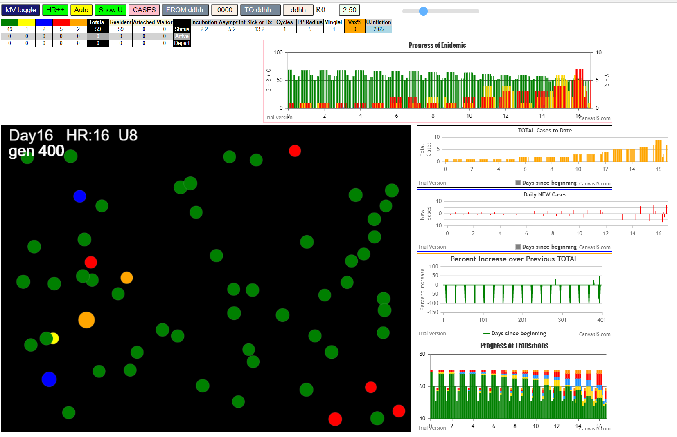

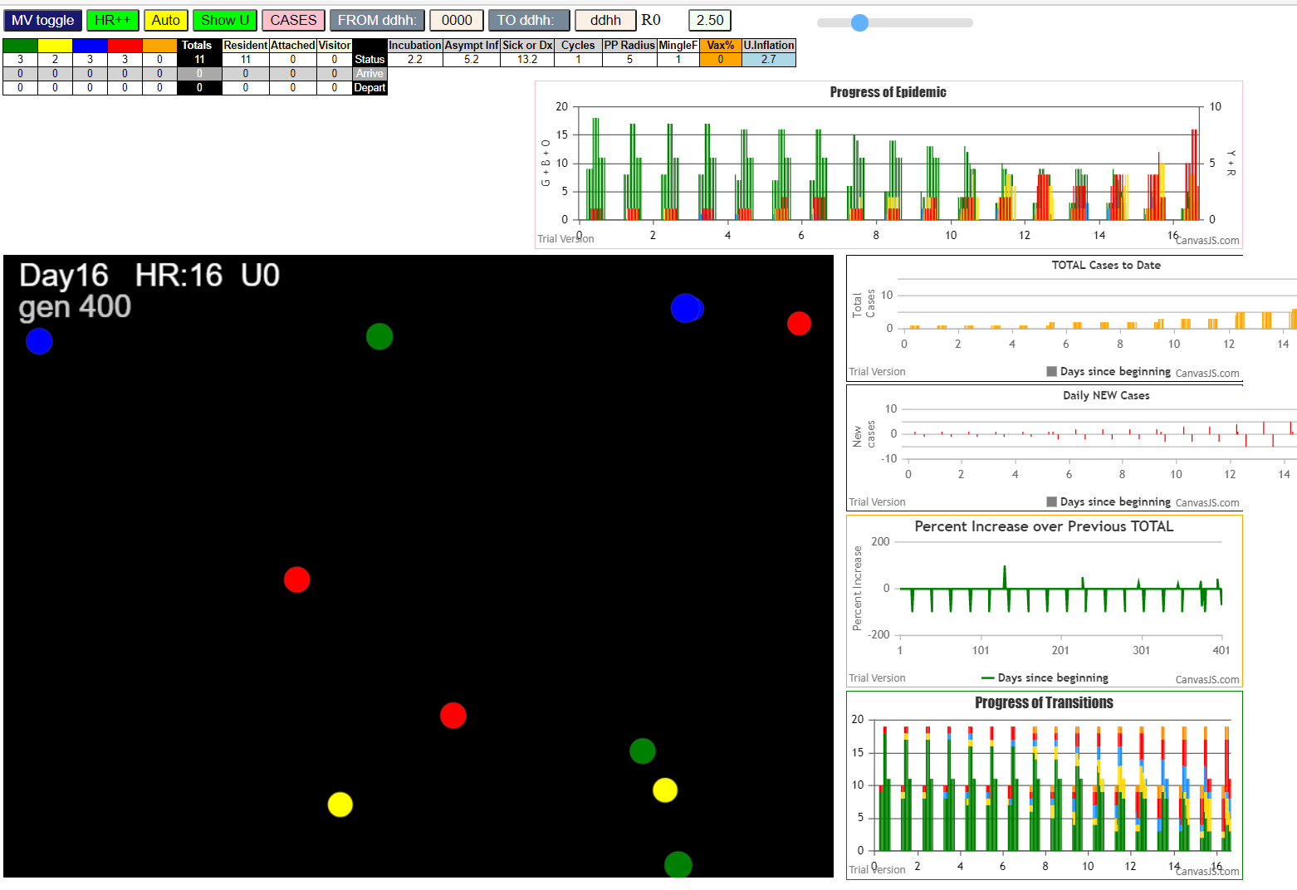

Sat Jan 09 2021 15:05:09 GMT-0800 (Pacific Standard Time)
simulationClover.js:834 CovidSIMVL Cloverdale U0+U8
simulationClover.js:4342 exit covidSim
simulationClover.js:23 getAsText File {name: "ClPop70.csv", lastModified: 1610213782000, lastModifiedDate: Sat Jan 09 2021 09:36:22 GMT-0800 (Pacific Standard Time), webkitRelativePath: "", size: 2886, …}
simulationClover.js:32 File {name: "ClPop70.csv", lastModified: 1610213782000, lastModifiedDate: Sat Jan 09 2021 09:36:22 GMT-0800 (Pacific Standard Time), webkitRelativePath: "", size: 2886, …}
simulationClover.js:23 getAsText File {name: "VL1.csv", lastModified: 1610231634000, lastModifiedDate: Sat Jan 09 2021 14:33:54 GMT-0800 (Pacific Standard Time), webkitRelativePath: "", size: 65, …}
simulationClover.js:32 File {name: "VL1.csv", lastModified: 1610231634000, lastModifiedDate: Sat Jan 09 2021 14:33:54 GMT-0800 (Pacific Standard Time), webkitRelativePath: "", size: 65, …}
simulationClover.js:1370 1 TURNED RED in U8 gen 1 TOTAL 0
simulationClover.js:1748 inflate universe index 2.7 in U0
simulationClover.js:1748 inflate universe index 2.7 in U8
simulationClover.js:2159 1I j:famKey 6:F06 infected by red i:famKey 1:F01 at gen 85 in Univ0 prob=0.485
simulationClover.js:2159 2I j:famKey 9:F09 infected by red i:famKey 1:F01 at gen 108 in Univ0 prob=0.567
simulationClover.js:2159 3I j:famKey 4:F04 infected by red i:famKey 1:F01 at gen 152 in Univ0 prob=0.926
simulationClover.js:2159 4I j:famKey 10:F10 infected by red i:famKey 1:F01 at gen 157 in Univ0 prob=0.068
simulationClover.js:2159 4I j:famKey 11:F11 infected by yellow i:famKey 9:F09 at gen 157 in Univ0 prob=0.078 |  |  |  |  |  | Families
simulationClover.js:2176 6I i:famKey 23:F06 infected by blue j:famKey 6:F06 at gen 189 in U8 prob=0.428 |  |  | 23 |  |  | Staff |  | fam.member
simulationClover.js:1370 6 TURNED RED in U8 gen 205 TOTAL 0 |  |  |  |  |  | 0 |  | 20 |  |  | F00
simulationClover.js:2176 7I i:famKey 8:F08 infected by blue j:famKey 11:F11 at gen 206 in U0 prob=0.642 |  |  |  |  |  | 1 |  | 21 |  |  | F01
simulationClover.js:1370 9 TURNED RED in U8 gen 227 TOTAL 1 |  |  |  |  |  | 2 |  | 22 |  |  | F02
simulationClover.js:2159 8I j:famKey 19:F19 infected by red i:famKey 6:F06 at gen 229 in Univ0 prob=0.258 |  |  |  |  |  | 3 |  | 23 |  |  | F03
simulationClover.js:2176 9I i:famKey 33:F09 infected by red j:famKey 9:F09 at gen 233 in U8 prob=0.783 |  |  | 33 |  |  | 4 |  | 24 |  |  | F04
simulationClover.js:2176 10I i:famKey 0:-1 infected by blue j:famKey 11:F11 at gen 253 in U0 prob=0.928
simulationClover.js:1370 10 TURNED RED in U8 gen 272 TOTAL 2 |  |  |  |  |  | Student |  | children | adult1 | adult2 | F05
simulationClover.js:1370 11 TURNED RED in U8 gen 273 TOTAL 3 |  |  |  |  |  | 5 |  | 25 | 26 | 27 | F06
simulationClover.js:1370 4 TURNED RED in U8 gen 276 TOTAL 4 |  |  |  |  |  | 6 |  | 28 | 29 | 30 | F07
simulationClover.js:2176 11I i:famKey 25:F06 infected by red j:famKey 6:F06 at gen 283 in U8 prob=0.718 |  |  | 25 |  |  | 7 |  | 31 | 32 | 33 | F08
simulationClover.js:2159 12I j:famKey 13:F13 infected by blue i:famKey 8:F08 at gen 300 in Univ0 prob=0.998 |  |  |  |  |  | 8 |  | 34 | 35 | 36 | F09
simulationClover.js:2176 13I i:famKey 35:F10 infected by red j:famKey 10:F10 at gen 311 in U8 prob=0.912 |  |  | 35 |  |  | 9 |  | 37 | 38 | 39 | F10
simulationClover.js:1370 23 TURNED RED in U8 gen 312 TOTAL 5 |  |  |  |  |  | 10 |  | 40 | 41 | 42 | F11
simulationClover.js:2159 14I j:famKey 18:F18 infected by red i:famKey 9:F09 at gen 323 in Univ0 prob=0.477 |  |  |  |  |  | 11 |  | 43 | 44 | 45 | F12
simulationClover.js:2159 14I j:famKey 2:F02 infected by blue i:famKey 8:F08 at gen 324 in Univ0 prob=0.956 |  |  |  |  |  | 12 |  | 46 | 47 | 48 | F13
simulationClover.js:2159 14I j:famKey 15:F15 infected by blue i:famKey 8:F08 at gen 324 in Univ0 prob=0.761 |  |  |  |  |  | 13 |  | 49 | 50 | 51 | F14
simulationClover.js:1370 8 TURNED RED in U8 gen 329 TOTAL 6 |  |  |  |  |  | 14 |  | 52 | 53 | 54 | F15
simulationClover.js:2176 17I i:famKey 34:F09 infected by red j:famKey 9:F09 at gen 329 in U8 prob=0.555 |  |  |  | 34 |  | 15 |  | 55 | 56 | 57 | F16
simulationClover.js:2176 18I i:famKey 30:F08 infected by red j:famKey 8:F08 at gen 335 in U8 prob=0.239 |  |  |  | 30 |  | 16 |  | 58 | 59 | 60 | F17
simulationClover.js:2176 19I i:famKey 31:F08 infected by red j:famKey 8:F08 at gen 337 in U8 prob=0.961 |  |  |  | 31 |  | 17 |  | 61 | 62 | 63 | F18
simulationClover.js:2176 20I i:famKey 5:F05 infected by red j:famKey 9:F09 at gen 345 in U0 prob=0.108 |  |  |  |  |  | 18 |  | 64 | 65 | 66 | F19
simulationClover.js:2159 21I j:famKey 3:F03 infected by red i:famKey 6:F06 at gen 347 in Univ0 prob=0.698 |  |  |  |  |  | 19 |  | 67 | 68 | 69
simulationClover.js:1370 33 TURNED RED in U8 gen 350 TOTAL 7
simulationClover.js:1370 19 TURNED RED in U8 gen 354 TOTAL 8
simulationClover.js:1370 0 TURNED RED in U8 gen 371 TOTAL 9 |  |  |  |  |  | 12 symptomatic cases by gen 400 = 16 days 12 hrs
 |  |  |  |  |  | 22 total iinfecctions
 |  |  |  |  |  | infections outside teachers and students
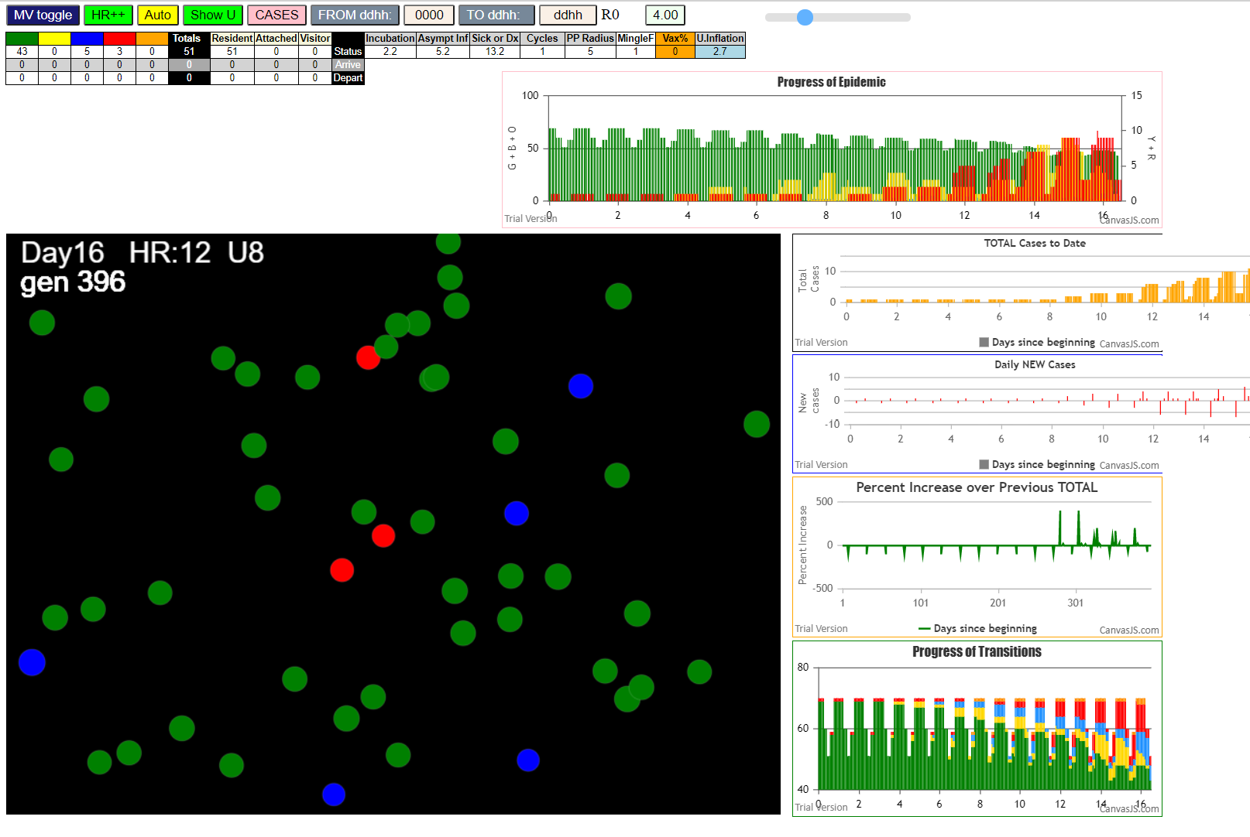
 |  |  |  |  |  | 6 infections among families of students
 |  |  |  |  |  |  | 3 children and 4 adults (one symptomatic)
 |  |  |  |  |  | one teacher tests negative (ID=3)

 |  |  |  |  |  | This is pretty compliant…

 |  |  |  |  |  | Next question is with these parameters, we have 11 pre-symptomatic cases of the 22 infections
 |  |  |  |  |  | How log before all these families succumb

 |  |  |  |  |  | THE next question is:
 |  |  |  |  |  |  | if some family members work in LTC and ED
 |  |  |  |  |  |  | how will they affect them using the same parameters as
 |  |  |  |  |  |  |  | being used in the ChildCare facility

COMPLETION

Sat Jan 09 2021 17:01:43 GMT-0800 (Pacific Standard Time)
simulationClover.js:834 CovidSIMVL Cloverdale U0+U8
simulationClover.js:4342 exit covidSim
simulationClover.js:23 getAsText File {name: "ClPop70.csv", lastModified: 1610213782000, lastModifiedDate: Sat Jan 09 2021 09:36:22 GMT-0800 (Pacific Standard Time), webkitRelativePath: "", size: 2886, …}
simulationClover.js:32 File {name: "ClPop70.csv", lastModified: 1610213782000, lastModifiedDate: Sat Jan 09 2021 09:36:22 GMT-0800 (Pacific Standard Time), webkitRelativePath: "", size: 2886, …}
simulationClover.js:23 getAsText File {name: "VL1.csv", lastModified: 1610234330000, lastModifiedDate: Sat Jan 09 2021 15:18:50 GMT-0800 (Pacific Standard Time), webkitRelativePath: "", size: 65, …}
simulationClover.js:32 File {name: "VL1.csv", lastModified: 1610234330000, lastModifiedDate: Sat Jan 09 2021 15:18:50 GMT-0800 (Pacific Standard Time), webkitRelativePath: "", size: 65, …}
simulationClover.js:1370 1 TURNED RED in U8 gen 1 TOTAL 0
simulationClover.js:1748 inflate universe index 2.7 in U0
simulationClover.js:1748 inflate universe index 2.7 in U8
simulationClover.js:2159 1I j:famKey 9:F09 infected by red i:famKey 1:F01 at gen 9 in Univ0 prob=0.092
simulationClover.js:2159 2I j:famKey 2:F02 infected by red i:famKey 1:F01 at gen 83 in Univ0 prob=0.447
simulationClover.js:1370 9 TURNED RED in U8 gen 127 TOTAL 1
simulationClover.js:1370 2 TURNED RED in U8 gen 199 TOTAL 1
simulationClover.js:2176 3I i:famKey 34:F09 infected by red j:famKey 9:F09 at gen 219 in U8 prob=0.189
simulationClover.js:2176 4I i:famKey 6:F06 infected by red j:famKey 9:F09 at gen 248 in U0 prob=0.518
simulationClover.js:2176 5I i:famKey 32:F09 infected by red j:famKey 9:F09 at gen 258 in U8 prob=0.251
simulationClover.js:2159 6I j:famKey 19:F19 infected by red i:famKey 9:F09 at gen 278 in Univ0 prob=0.403
simulationClover.js:2176 7I i:famKey 11:F11 infected by red j:famKey 2:F02 at gen 299 in U0 prob=0.738
simulationClover.js:1370 34 TURNED RED in U8 gen 339 TOTAL 1
simulationClover.js:2176 8I i:famKey 63:F19 infected by blue j:famKey 19:F19 at gen 357 in U8 prob=0.664
simulationClover.js:1370 6 TURNED RED in U8 gen 370 TOTAL 2
simulationClover.js:1370 32 TURNED RED in U8 gen 374 TOTAL 3
simulationClover.js:2176 9I i:famKey 39:F11 infected by blue j:famKey 11:F11 at gen 375 in U8 prob=0.670
simulationClover.js:2176 10I i:famKey 0:-1 infected by blue j:famKey 11:F11 at gen 391 in U0 prob=0.452
simulationClover.js:1370 19 TURNED RED in U8 gen 395 TOTAL 3

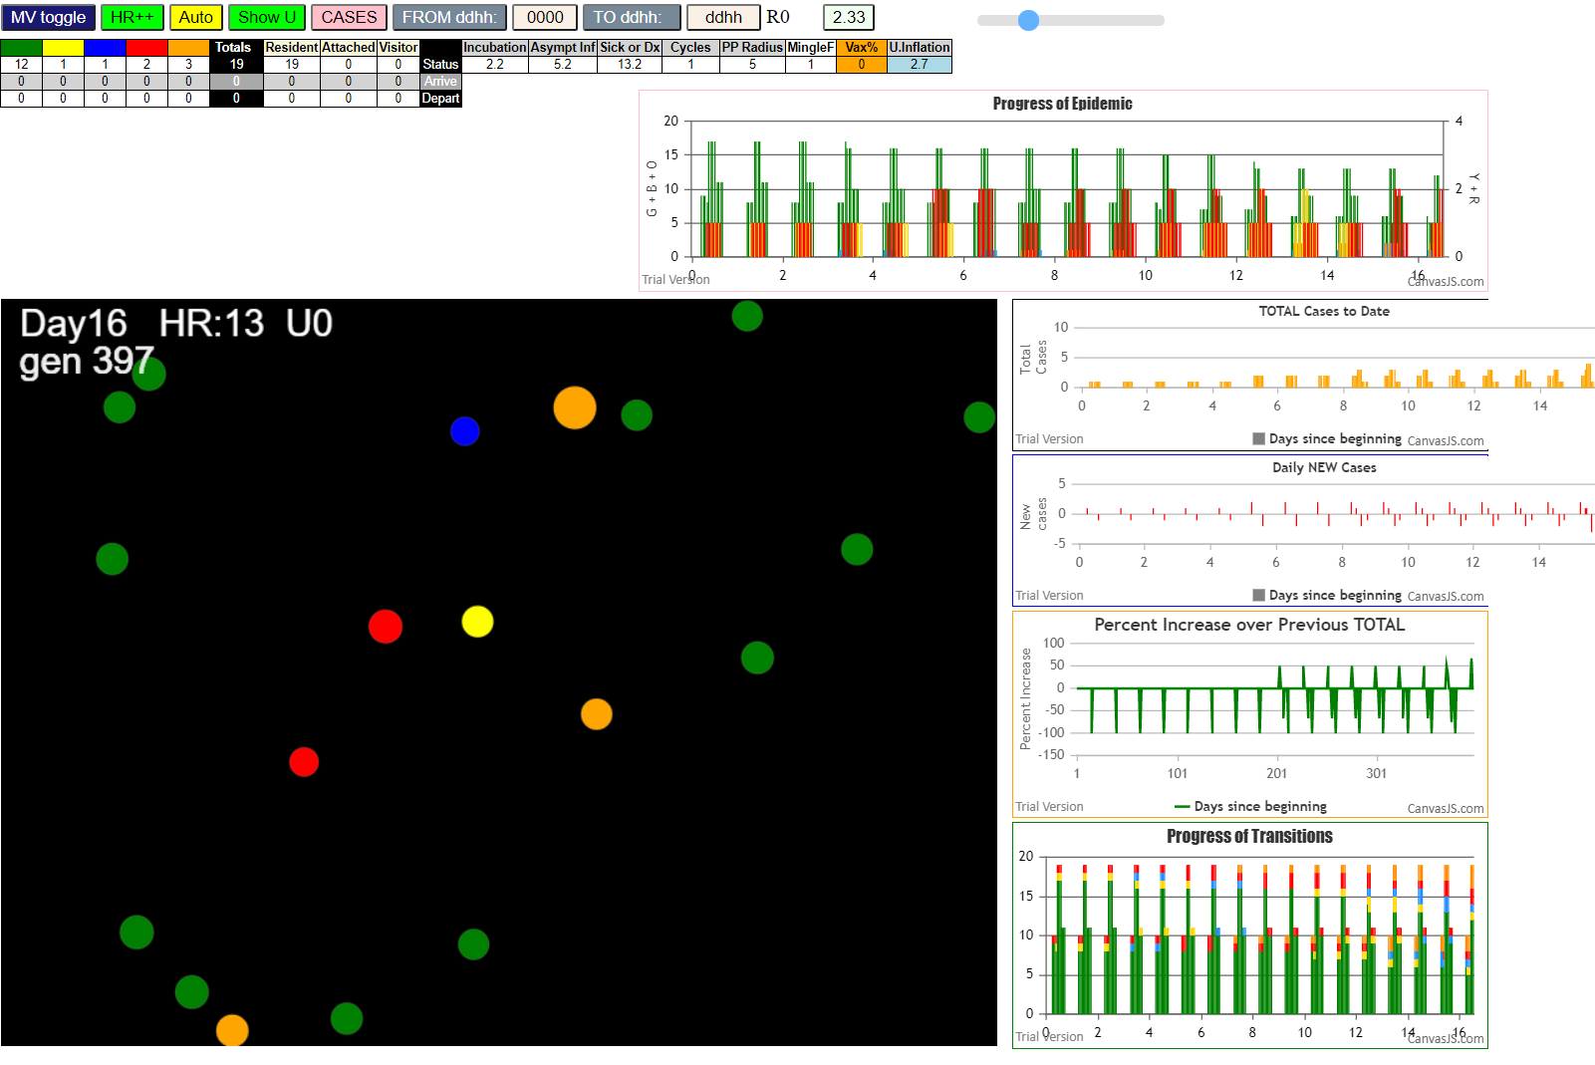

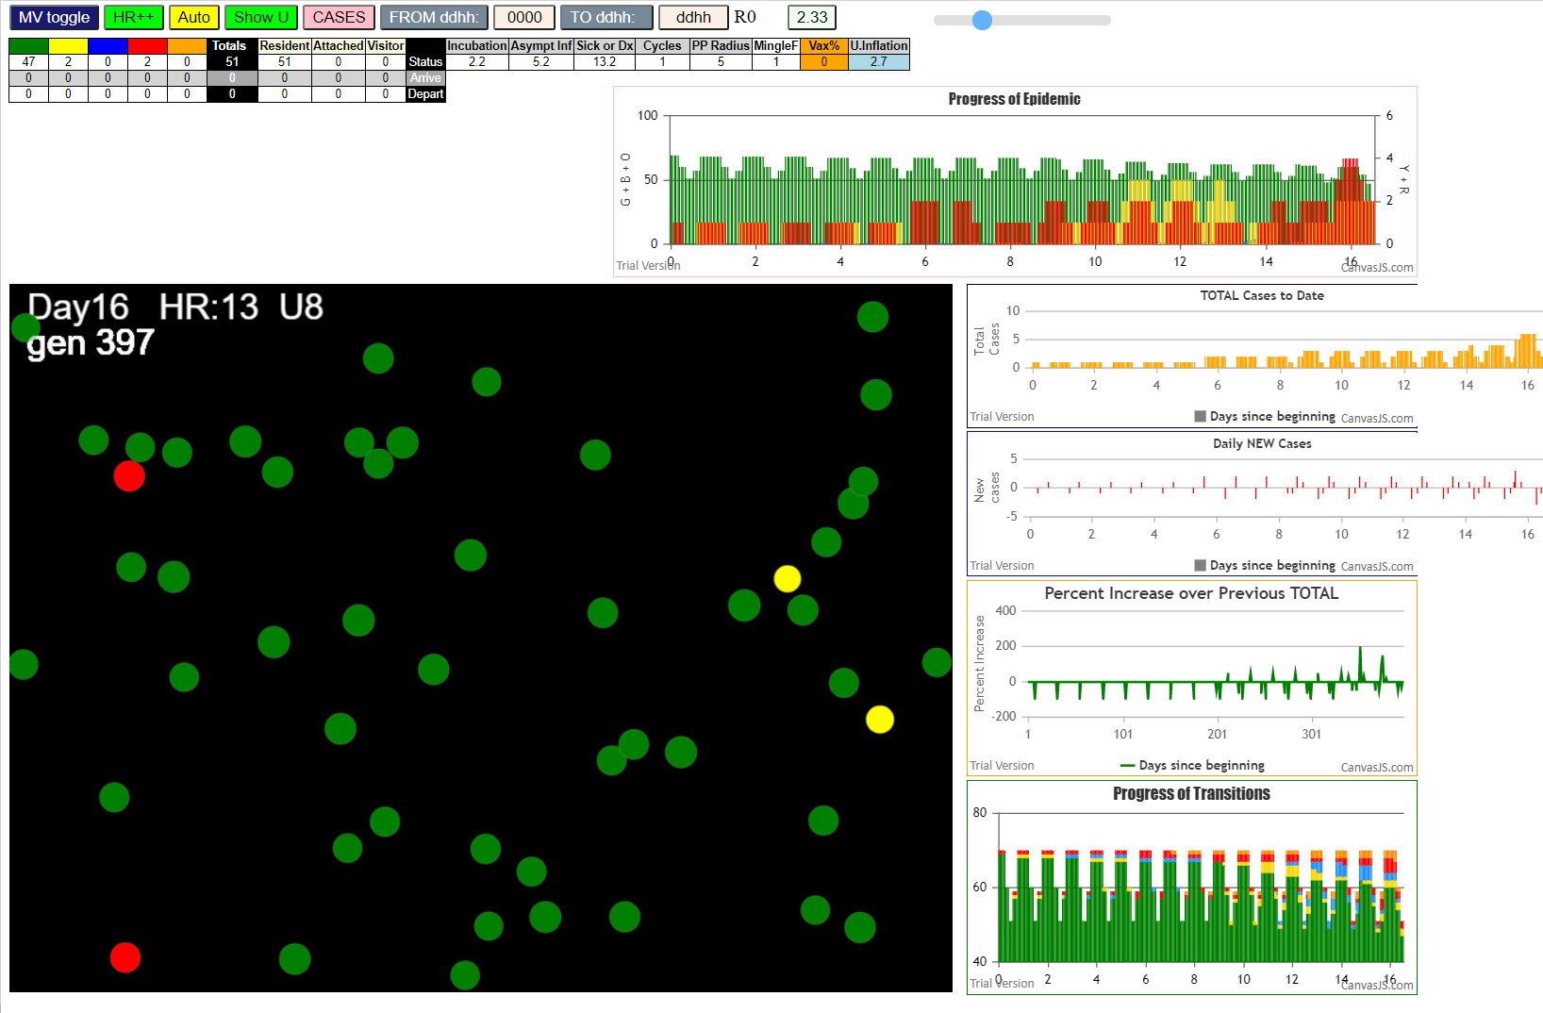

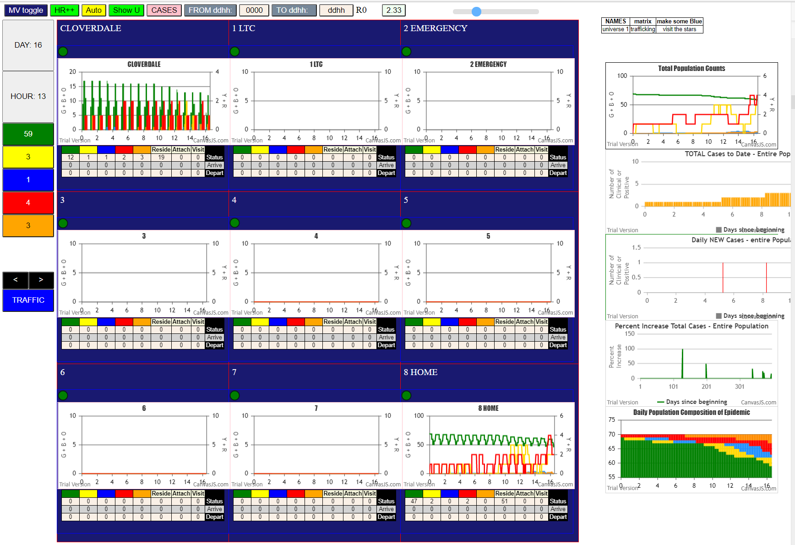

continue
by day 58 Hr 16, we are close to termination with
 | 22 susceptibles left in families which although appearing in Universe 8, are actually exposed only to risk from their own members
 | there is one red left
 | the generator of transmitters is in the childcare center, and there the aggressiveness is not that high since the population density is small, and
 |  | the exposure time over 24 hrs is only 8 hrs together….
 |  | nevertheless, with the events as given over Dec 24 to Jan 8, the dynamics have been set to satisfy the constraints
 | this goes to show that the microcosm of epidemics are subtle if you could look at the fine structure of interacting populations

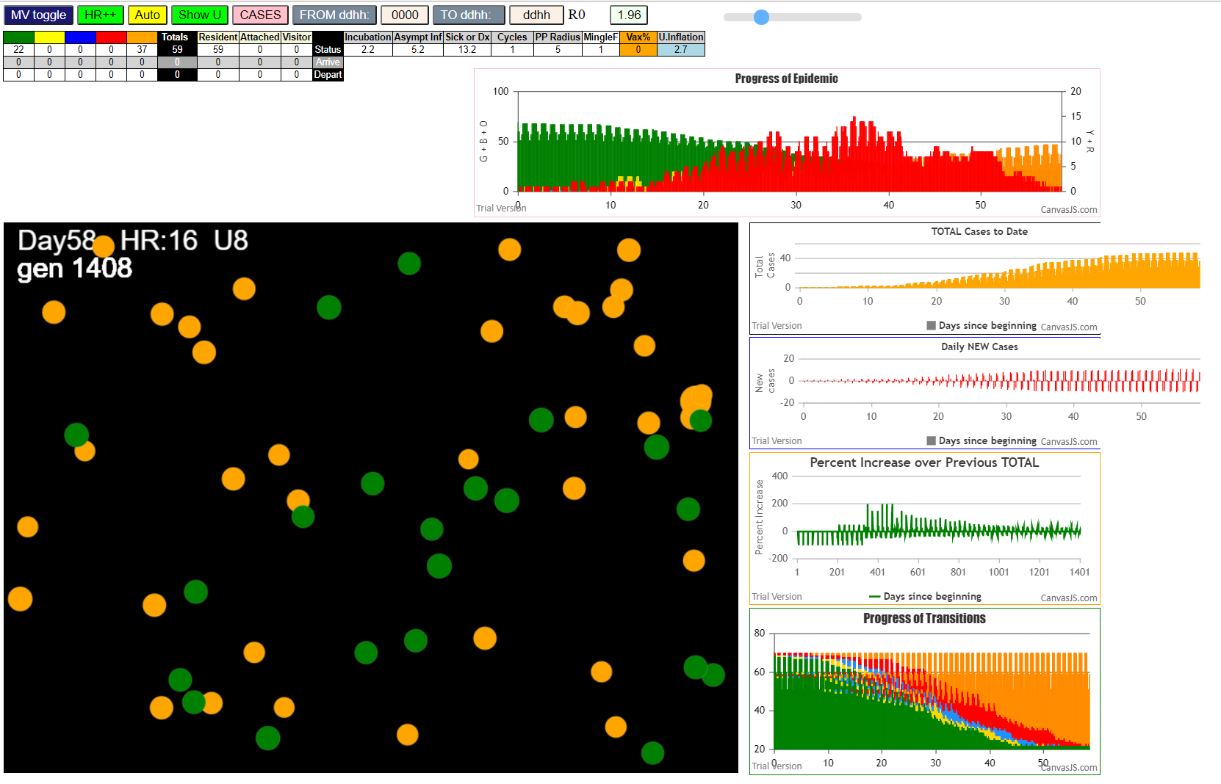

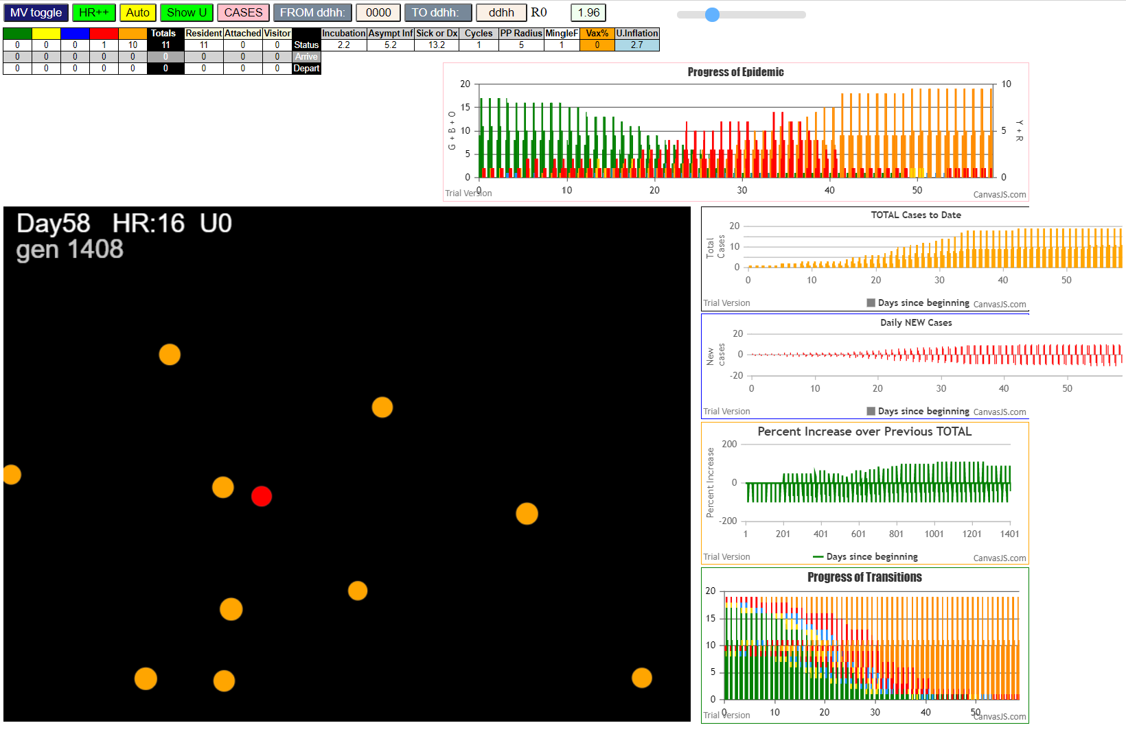

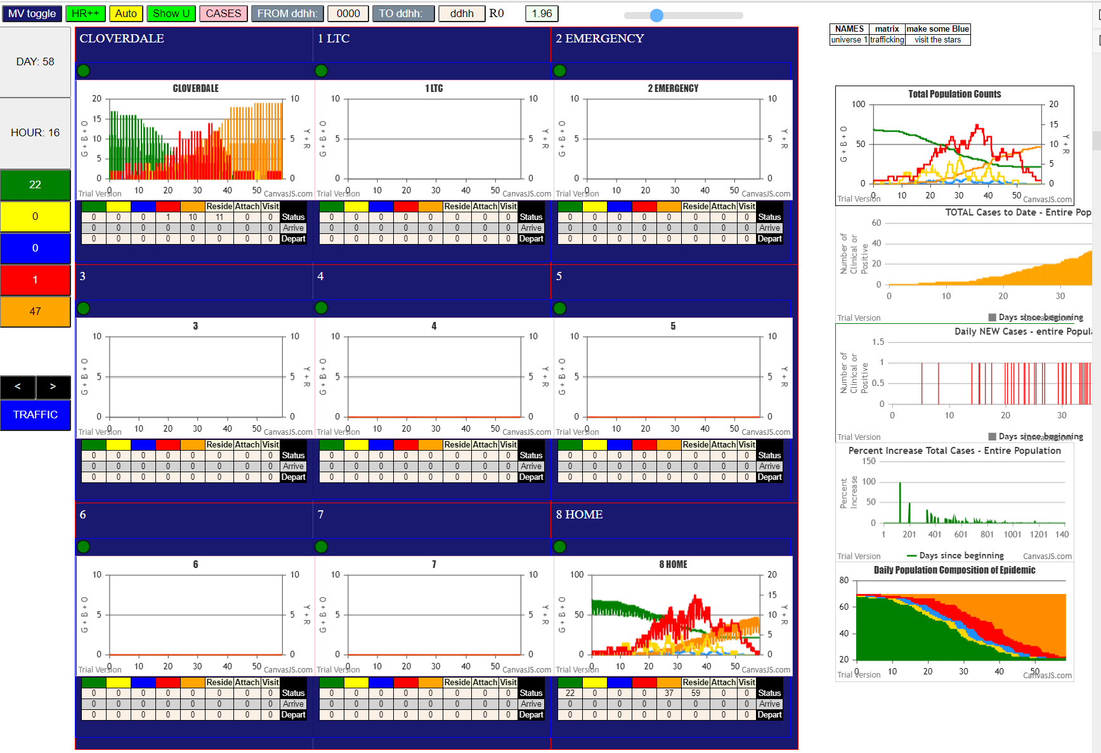

 |  |  |  |  | from day 20 to day 50 there were
 |  |  |  |  | five to 12 cases per day just from this
 |  |  |  |  | small population of 70 persons
 |  |  |  |  | no quarnatine applied,,,,

 |  |  |  |  | this is noteworthy, that
 |  |  |  |  | the frequency of new cases has been
 |  |  |  |  | increasing with time….then decreasing
 |  |  |  |  | these look similar to spectral bands
 |  |  |  |  | and attest to the underlying phenomena…. Which is?

simulationClover.js:833 Sat Jan 09 2021 17:01:43 GMT-0800 (Pacific Standard Time)
simulationClover.js:834 CovidSIMVL Cloverdale U0+U8
simulationClover.js:4342 exit covidSim
simulationClover.js:23 getAsText File {name: "ClPop70.csv", lastModified: 1610213782000, lastModifiedDate: Sat Jan 09 2021 09:36:22 GMT-0800 (Pacific Standard Time), webkitRelativePath: "", size: 2886, …}
simulationClover.js:32 File {name: "ClPop70.csv", lastModified: 1610213782000, lastModifiedDate: Sat Jan 09 2021 09:36:22 GMT-0800 (Pacific Standard Time), webkitRelativePath: "", size: 2886, …}
simulationClover.js:23 getAsText File {name: "VL1.csv", lastModified: 1610234330000, lastModifiedDate: Sat Jan 09 2021 15:18:50 GMT-0800 (Pacific Standard Time), webkitRelativePath: "", size: 65, …}
simulationClover.js:32 File {name: "VL1.csv", lastModified: 1610234330000, lastModifiedDate: Sat Jan 09 2021 15:18:50 GMT-0800 (Pacific Standard Time), webkitRelativePath: "", size: 65, …}
simulationClover.js:1370 1 TURNED RED in U8 gen 1 TOTAL 0
simulationClover.js:1748 inflate universe index 2.7 in U0
simulationClover.js:1748 inflate universe index 2.7 in U8
simulationClover.js:2159 1I j:famKey 9:F09 infected by red i:famKey 1:F01 at gen 9 in Univ0 prob=0.092
simulationClover.js:2159 2I j:famKey 2:F02 infected by red i:famKey 1:F01 at gen 83 in Univ0 prob=0.447
simulationClover.js:1370 9 TURNED RED in U8 gen 127 TOTAL 1
simulationClover.js:1370 2 TURNED RED in U8 gen 199 TOTAL 1
simulationClover.js:2176 3I i:famKey 34:F09 infected by red j:famKey 9:F09 at gen 219 in U8 prob=0.189
simulationClover.js:2176 4I i:famKey 6:F06 infected by red j:famKey 9:F09 at gen 248 in U0 prob=0.518
simulationClover.js:2176 5I i:famKey 32:F09 infected by red j:famKey 9:F09 at gen 258 in U8 prob=0.251
simulationClover.js:2159 6I j:famKey 19:F19 infected by red i:famKey 9:F09 at gen 278 in Univ0 prob=0.403
simulationClover.js:2176 7I i:famKey 11:F11 infected by red j:famKey 2:F02 at gen 299 in U0 prob=0.738
simulationClover.js:1370 34 TURNED RED in U8 gen 339 TOTAL 1
simulationClover.js:2176 8I i:famKey 63:F19 infected by blue j:famKey 19:F19 at gen 357 in U8 prob=0.664
simulationClover.js:1370 6 TURNED RED in U8 gen 370 TOTAL 2
simulationClover.js:1370 32 TURNED RED in U8 gen 374 TOTAL 3
simulationClover.js:2176 9I i:famKey 39:F11 infected by blue j:famKey 11:F11 at gen 375 in U8 prob=0.670
simulationClover.js:2176 10I i:famKey 0:-1 infected by blue j:famKey 11:F11 at gen 391 in U0 prob=0.452
simulationClover.js:1370 19 TURNED RED in U8 gen 395 TOTAL 3
simulationClover.js:2176 11I i:famKey 40:F11 infected by blue j:famKey 11:F11 at gen 399 in U8 prob=0.934
simulationClover.js:2176 12I i:famKey 5:F05 infected by blue j:famKey 11:F11 at gen 416 in U0 prob=0.740
simulationClover.js:1370 11 TURNED RED in U8 gen 423 TOTAL 4
simulationClover.js:2159 13I j:famKey 17:F17 infected by red i:famKey 11:F11 at gen 445 in Univ0 prob=0.294
simulationClover.js:2159 13I j:famKey 3:F03 infected by blue i:famKey 0:-1 at gen 446 in Univ0 prob=0.619
simulationClover.js:2176 15I i:famKey 38:F11 infected by blue j:famKey 39:F11 at gen 467 in U8 prob=0.321
simulationClover.js:1370 63 TURNED RED in U8 gen 480 TOTAL 5
simulationClover.js:2176 16I i:famKey 62:F19 infected by red j:famKey 19:F19 at gen 485 in U8 prob=0.172
simulationClover.js:1370 39 TURNED RED in U8 gen 489 TOTAL 6
simulationClover.js:2159 17I j:famKey 10:F10 infected by red i:famKey 6:F06 at gen 494 in Univ0 prob=0.003
simulationClover.js:1370 0 TURNED RED in U8 gen 508 TOTAL 7
simulationClover.js:2159 18I j:famKey 12:F12 infected by red i:famKey 0:-1 at gen 515 in Univ0 prob=0.130
simulationClover.js:1370 40 TURNED RED in U8 gen 519 TOTAL 8
simulationClover.js:2176 19I i:famKey 22:F05 infected by blue j:famKey 5:F05 at gen 534 in U8 prob=0.444
simulationClover.js:1370 5 TURNED RED in U8 gen 536 TOTAL 7
simulationClover.js:1370 3 TURNED RED in U8 gen 560 TOTAL 8
simulationClover.js:1370 17 TURNED RED in U8 gen 564 TOTAL 9
simulationClover.js:1370 38 TURNED RED in U8 gen 581 TOTAL 8
simulationClover.js:2159 20I j:famKey 7:F07 infected by red i:famKey 5:F05 at gen 586 in Univ0 prob=0.566
simulationClover.js:1370 62 TURNED RED in U8 gen 605 TOTAL 8
simulationClover.js:2159 21I j:famKey 64:F19 infected by red i:famKey 63:F19 at gen 605 in Univ8 prob=0.617
simulationClover.js:2159 22I j:famKey 15:F15 infected by blue i:famKey 12:F12 at gen 611 in Univ0 prob=0.734
simulationClover.js:1370 10 TURNED RED in U8 gen 613 TOTAL 9
simulationClover.js:2176 23I i:famKey 35:F10 infected by red j:famKey 10:F10 at gen 625 in U8 prob=0.930
simulationClover.js:2176 23I i:famKey 56:F17 infected by red j:famKey 17:F17 at gen 626 in U8 prob=0.360
simulationClover.js:2159 25I j:famKey 13:F13 infected by red i:famKey 0:-1 at gen 635 in Univ0 prob=0.523
simulationClover.js:1370 12 TURNED RED in U8 gen 640 TOTAL 10
simulationClover.js:1370 22 TURNED RED in U8 gen 649 TOTAL 11
simulationClover.js:2159 26I j:famKey 8:F08 infected by red i:famKey 5:F05 at gen 680 in Univ0 prob=0.418
simulationClover.js:2159 27I j:famKey 16:F16 infected by red i:famKey 3:F03 at gen 684 in Univ0 prob=0.263
simulationClover.js:2176 28I i:famKey 43:F12 infected by red j:famKey 12:F12 at gen 693 in U8 prob=0.738
simulationClover.js:2176 29I i:famKey 57:F17 infected by red j:famKey 17:F17 at gen 698 in U8 prob=0.791
simulationClover.js:2176 30I i:famKey 58:F17 infected by red j:famKey 17:F17 at gen 706 in U8 prob=0.770
simulationClover.js:1370 7 TURNED RED in U8 gen 707 TOTAL 8
simulationClover.js:2159 30I j:famKey 18:F18 infected by red i:famKey 10:F10 at gen 707 in Univ0 prob=0.577
simulationClover.js:1370 64 TURNED RED in U8 gen 722 TOTAL 8
simulationClover.js:2176 32I i:famKey 41:F12 infected by red j:famKey 12:F12 at gen 724 in U8 prob=0.088
simulationClover.js:1370 15 TURNED RED in U8 gen 725 TOTAL 9
simulationClover.js:1370 56 TURNED RED in U8 gen 739 TOTAL 10
simulationClover.js:1370 35 TURNED RED in U8 gen 740 TOTAL 10
simulationClover.js:2176 33I i:famKey 44:F13 infected by blue j:famKey 13:F13 at gen 740 in U8 prob=0.570
simulationClover.js:2176 34I i:famKey 45:F13 infected by blue j:famKey 13:F13 at gen 753 in U8 prob=0.470
simulationClover.js:1370 13 TURNED RED in U8 gen 759 TOTAL 10
simulationClover.js:2159 35I j:famKey 37:F10 infected by red i:famKey 35:F10 at gen 796 in Univ8 prob=0.423
simulationClover.js:1370 16 TURNED RED in U8 gen 798 TOTAL 9
simulationClover.js:1370 8 TURNED RED in U8 gen 802 TOTAL 10
simulationClover.js:1370 57 TURNED RED in U8 gen 811 TOTAL 11
simulationClover.js:2176 36I i:famKey 30:F08 infected by red j:famKey 8:F08 at gen 817 in U8 prob=0.696
simulationClover.js:1370 43 TURNED RED in U8 gen 818 TOTAL 11
simulationClover.js:1370 18 TURNED RED in U8 gen 822 TOTAL 12
simulationClover.js:1370 58 TURNED RED in U8 gen 831 TOTAL 13
simulationClover.js:2176 37I i:famKey 27:F07 infected by red j:famKey 7:F07 at gen 831 in U8 prob=0.153
simulationClover.js:1370 41 TURNED RED in U8 gen 841 TOTAL 12
simulationClover.js:1370 44 TURNED RED in U8 gen 859 TOTAL 13
simulationClover.js:1370 45 TURNED RED in U8 gen 866 TOTAL 14
simulationClover.js:2159 38I j:famKey 14:F14 infected by red i:famKey 8:F08 at gen 878 in Univ0 prob=0.561
simulationClover.js:2176 39I i:famKey 31:F08 infected by red j:famKey 8:F08 at gen 912 in U8 prob=0.124
simulationClover.js:1370 37 TURNED RED in U8 gen 920 TOTAL 13
simulationClover.js:2176 40I i:famKey 60:F18 infected by red j:famKey 18:F18 at gen 933 in U8 prob=0.054
simulationClover.js:1370 30 TURNED RED in U8 gen 935 TOTAL 10
simulationClover.js:2176 41I i:famKey 47:F14 infected by blue j:famKey 14:F14 at gen 940 in U8 prob=0.113
simulationClover.js:2176 42I i:famKey 42:F12 infected by red j:famKey 43:F12 at gen 951 in U8 prob=0.170
simulationClover.js:1370 27 TURNED RED in U8 gen 955 TOTAL 11
simulationClover.js:2176 43I i:famKey 49:F14 infected by blue j:famKey 14:F14 at gen 961 in U8 prob=0.429
simulationClover.js:1370 14 TURNED RED in U8 gen 999 TOTAL 7
simulationClover.js:2159 44I j:famKey 61:F18 infected by blue i:famKey 60:F18 at gen 1005 in Univ8 prob=0.747
simulationClover.js:1370 31 TURNED RED in U8 gen 1036 TOTAL 6
simulationClover.js:2176 45I i:famKey 26:F07 infected by red j:famKey 27:F07 at gen 1045 in U8 prob=0.693
simulationClover.js:2176 46I i:famKey 29:F08 infected by red j:famKey 31:F08 at gen 1051 in U8 prob=0.148
simulationClover.js:1370 60 TURNED RED in U8 gen 1052 TOTAL 6
simulationClover.js:1370 47 TURNED RED in U8 gen 1060 TOTAL 6
simulationClover.js:1370 42 TURNED RED in U8 gen 1065 TOTAL 7
simulationClover.js:1370 49 TURNED RED in U8 gen 1074 TOTAL 8
simulationClover.js:1370 61 TURNED RED in U8 gen 1126 TOTAL 6
simulationClover.js:2159 47I j:famKey 4:F04 infected by red i:famKey 14:F14 at gen 1167 in Univ0 prob=0.587
simulationClover.js:1370 26 TURNED RED in U8 gen 1168 TOTAL 7
simulationClover.js:1370 29 TURNED RED in U5 gen 1173 TOTAL 8
simulationClover.js:1370 4 TURNED RED in U8 gen 1282 TOTAL 3

Some further analysis of what families are totally affected, and who is spared, shows a stochastic pattern rather than
any regularity….this will be left to the reader from the data here…

STOPPED IN GEN 1472 with no transmitters or potential (infected) left…..self-sextinguished

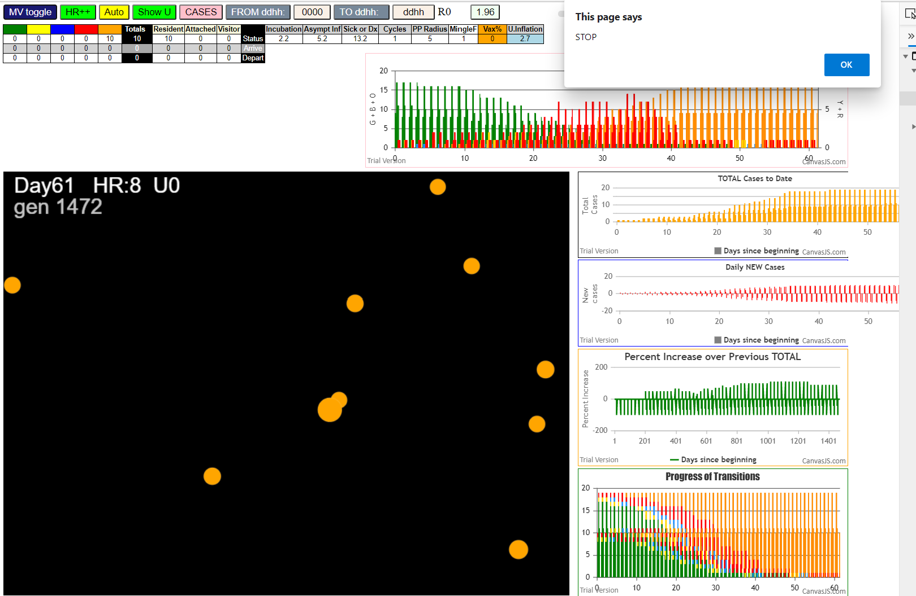

the epidemic in the sandbox with two interacting populations, went on for another 1072 generations following the first 400, which
was our fit to IRL data…..

we might impose a quarantine or self-isolation of an average of three days after symptom onset to allow for testing and denial, and see what
the parameters would be, and whether the contagion would carry on at that level of the aggressiveness of the strain….

Trial 2 - 3 days RED
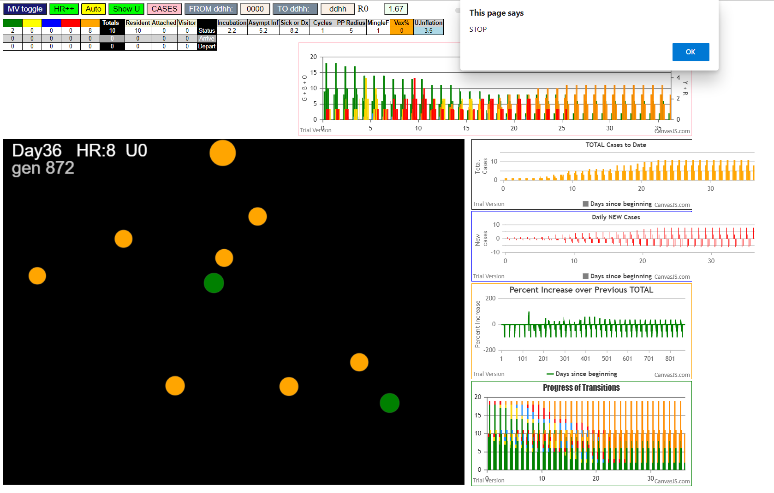
Sat Jan 09 2021 17:51:12 GMT-0800 (Pacific Standard Time)
simulationClover.js:834 CovidSIMVL Cloverdale U0+U8
simulationClover.js:4342 exit covidSim
simulationClover.js:23 getAsText File {name: "ClPop70.csv", lastModified: 1610213782000, lastModifiedDate: Sat Jan 09 2021 09:36:22 GMT-0800 (Pacific Standard Time), webkitRelativePath: "", size: 2886, …}
simulationClover.js:32 File {name: "ClPop70.csv", lastModified: 1610213782000, lastModifiedDate: Sat Jan 09 2021 09:36:22 GMT-0800 (Pacific Standard Time), webkitRelativePath: "", size: 2886, …}
simulationClover.js:23 getAsText File {name: "VL1.csv", lastModified: 1610234330000, lastModifiedDate: Sat Jan 09 2021 15:18:50 GMT-0800 (Pacific Standard Time), webkitRelativePath: "", size: 65, …}
simulationClover.js:32 File {name: "VL1.csv", lastModified: 1610234330000, lastModifiedDate: Sat Jan 09 2021 15:18:50 GMT-0800 (Pacific Standard Time), webkitRelativePath: "", size: 65, …}
simulationClover.js:1370 1 TURNED RED in U8 gen 1 TOTAL 0
simulationClover.js:1627 Red Days changed to 8.2
simulationClover.js:1748 inflate universe index 3.5 in U0
simulationClover.js:1748 inflate universe index 3.5 in U8
simulationClover.js:2159 1I j:famKey 4:F04 infected by red i:famKey 1:F01 at gen 10 in Univ0 prob=0.232
simulationClover.js:2159 2I j:famKey 7:F07 infected by red i:famKey 1:F01 at gen 57 in Univ0 prob=0.233
simulationClover.js:2176 3I i:famKey 3:F03 infected by blue j:famKey 4:F04 at gen 89 in U0 prob=0.784
simulationClover.js:2176 3I i:famKey 16:F16 infected by blue j:famKey 4:F04 at gen 89 in U0 prob=0.584
simulationClover.js:2159 5I j:famKey 11:F11 infected by blue i:famKey 4:F04 at gen 104 in Univ0 prob=0.505
simulationClover.js:1370 4 TURNED RED in U8 gen 130 TOTAL 0
simulationClover.js:2176 6I i:famKey 28:F07 infected by blue j:famKey 7:F07 at gen 140 in U8 prob=0.058
simulationClover.js:1370 7 TURNED RED in U8 gen 173 TOTAL 1
simulationClover.js:2176 7I i:famKey 0:-1 infected by red j:famKey 7:F07 at gen 175 in U0 prob=0.510
simulationClover.js:1370 16 TURNED RED in U8 gen 203 TOTAL 1
simulationClover.js:1370 3 TURNED RED in U8 gen 209 TOTAL 2
simulationClover.js:1370 11 TURNED RED in U8 gen 224 TOTAL 3
simulationClover.js:2176 8I i:famKey 54:F16 infected by red j:famKey 16:F16 at gen 241 in U8 prob=0.150
simulationClover.js:2176 9I i:famKey 13:F13 infected by red j:famKey 16:F16 at gen 258 in U0 prob=0.855
simulationClover.js:2159 9I j:famKey 18:F18 infected by red i:famKey 16:F16 at gen 258 in Univ0 prob=0.172
simulationClover.js:1370 28 TURNED RED in U8 gen 261 TOTAL 3
simulationClover.js:1370 0 TURNED RED in U8 gen 296 TOTAL 1
simulationClover.js:2176 11I i:famKey 46:F13 infected by yellow j:famKey 13:F13 at gen 308 in U8 prob=0.693
simulationClover.js:2176 12I i:famKey 61:F18 infected by blue j:famKey 18:F18 at gen 322 in U8 prob=0.089
simulationClover.js:2176 12I i:famKey 59:F18 infected by yellow j:famKey 61:F18 at gen 323 in U8 prob=0.067
simulationClover.js:2176 14I i:famKey 53:F16 infected by blue j:famKey 54:F16 at gen 332 in U8 prob=0.056
simulationClover.js:2159 15I j:famKey 6:F06 infected by red i:famKey 0:-1 at gen 343 in Univ0 prob=0.392
simulationClover.js:2176 16I i:famKey 10:F10 infected by blue j:famKey 18:F18 at gen 347 in U0 prob=0.984
simulationClover.js:1370 54 TURNED RED in U8 gen 358 TOTAL 1
simulationClover.js:2176 17I i:famKey 44:F13 infected by blue j:famKey 13:F13 at gen 359 in U8 prob=0.049
simulationClover.js:2176 18I i:famKey 60:F18 infected by yellow j:famKey 61:F18 at gen 368 in U8 prob=0.217
simulationClover.js:2176 18I i:famKey 60:F18 infected by blue j:famKey 18:F18 at gen 368 in U8 prob=0.924
simulationClover.js:1370 13 TURNED RED in U8 gen 376 TOTAL 1
simulationClover.js:1370 18 TURNED RED in U8 gen 380 TOTAL 2

8 infections are family members not at childcare
pretty close
one staff (pID 2) not infected as required

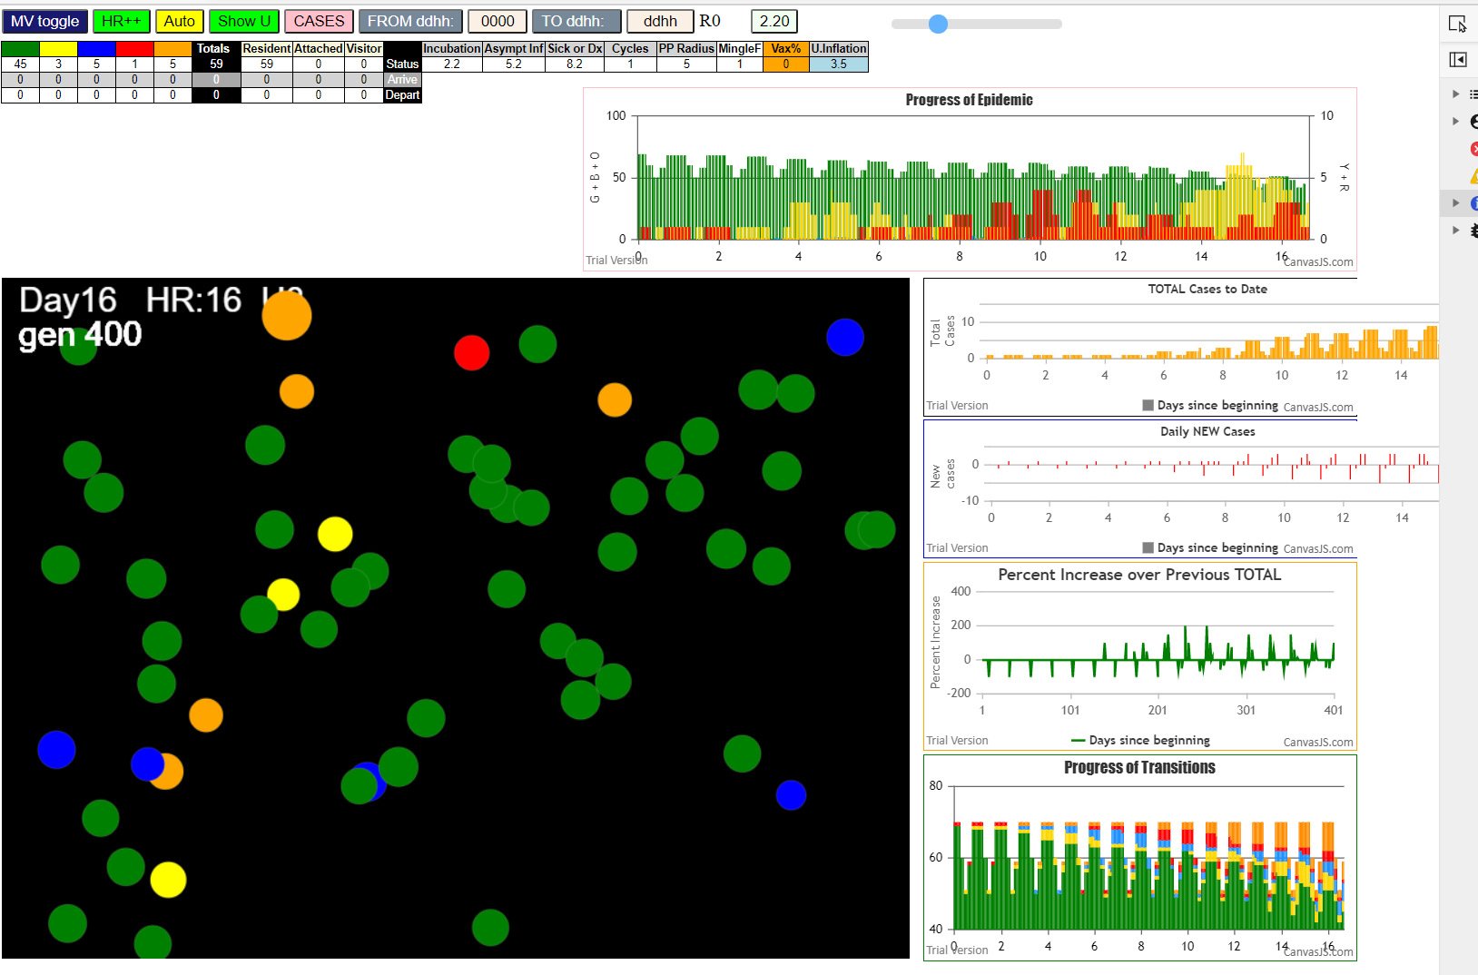

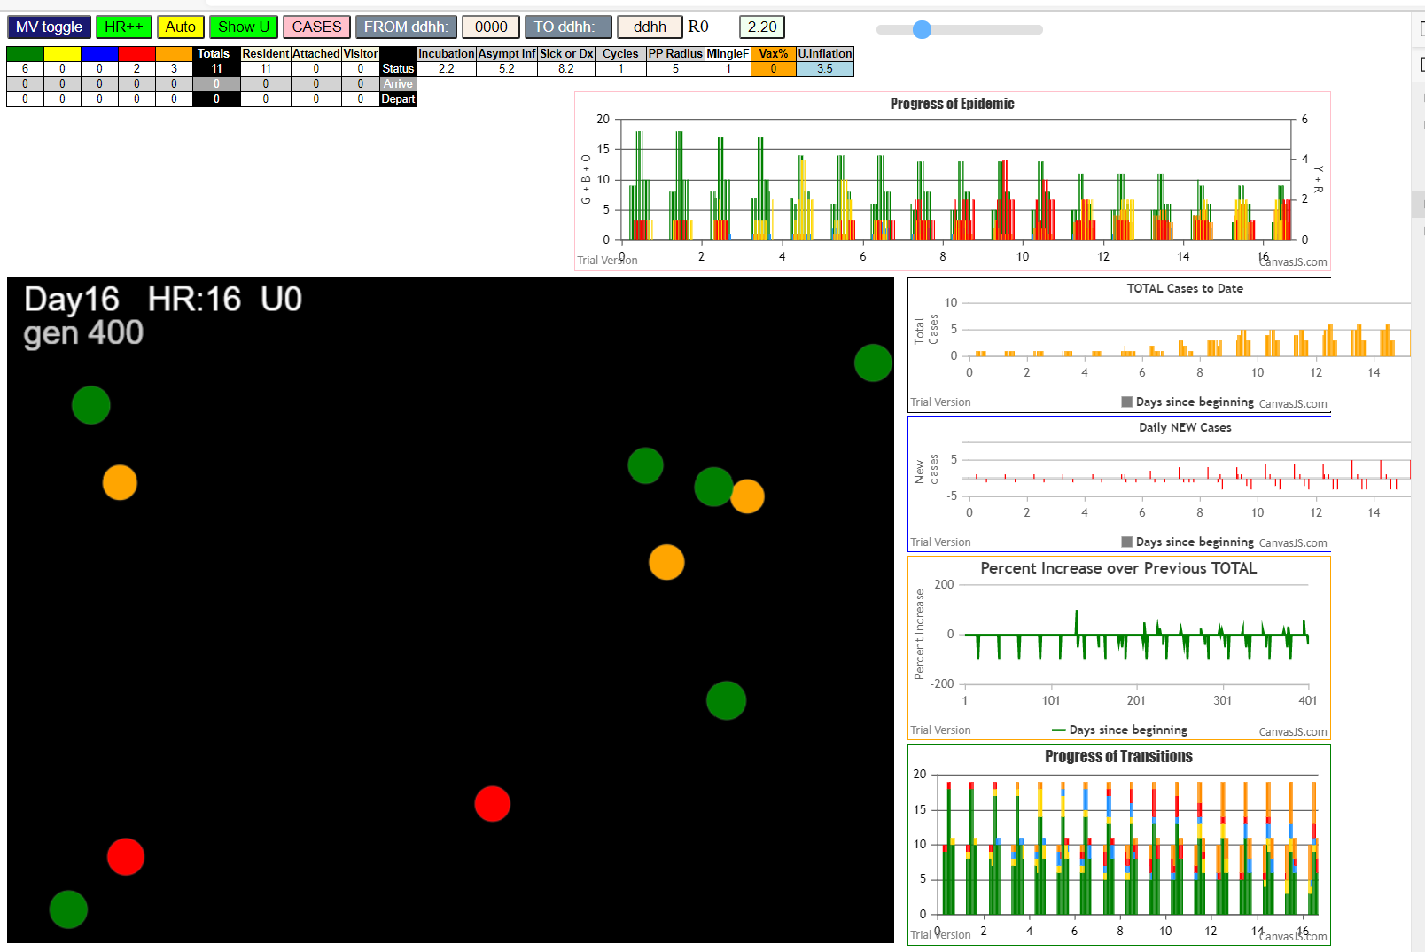

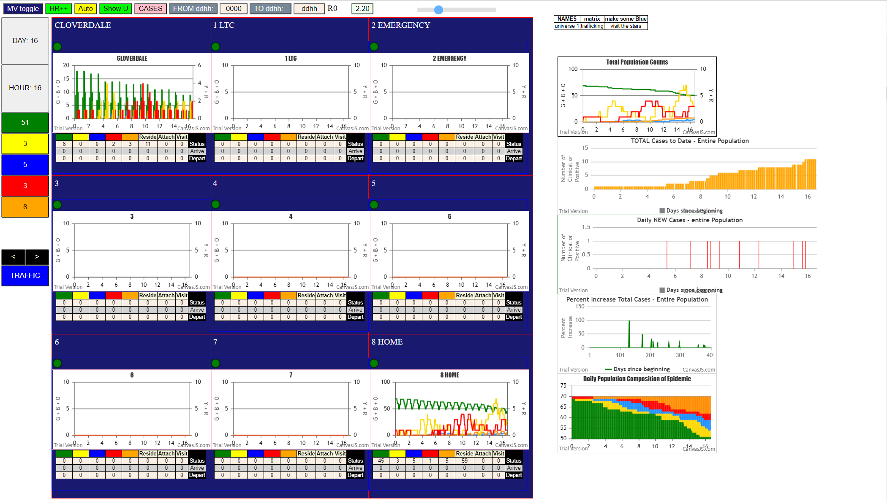

RUN TO TERMINATION

simulationClover.js:833 Sat Jan 09 2021 17:51:12 GMT-0800 (Pacific Standard Time)
simulationClover.js:834 CovidSIMVL Cloverdale U0+U8
simulationClover.js:4342 exit covidSim
simulationClover.js:23 getAsText File {name: "ClPop70.csv", lastModified: 1610213782000, lastModifiedDate: Sat Jan 09 2021 09:36:22 GMT-0800 (Pacific Standard Time), webkitRelativePath: "", size: 2886, …}
simulationClover.js:32 File {name: "ClPop70.csv", lastModified: 1610213782000, lastModifiedDate: Sat Jan 09 2021 09:36:22 GMT-0800 (Pacific Standard Time), webkitRelativePath: "", size: 2886, …}
simulationClover.js:23 getAsText File {name: "VL1.csv", lastModified: 1610234330000, lastModifiedDate: Sat Jan 09 2021 15:18:50 GMT-0800 (Pacific Standard Time), webkitRelativePath: "", size: 65, …}
simulationClover.js:32 File {name: "VL1.csv", lastModified: 1610234330000, lastModifiedDate: Sat Jan 09 2021 15:18:50 GMT-0800 (Pacific Standard Time), webkitRelativePath: "", size: 65, …}
simulationClover.js:1370 1 TURNED RED in U8 gen 1 TOTAL 0
simulationClover.js:1627 Red Days changed to 8.2
simulationClover.js:1748 inflate universe index 3.5 in U0
simulationClover.js:1748 inflate universe index 3.5 in U8
simulationClover.js:2159 1I j:famKey 4:F04 infected by red i:famKey 1:F01 at gen 10 in Univ0 prob=0.232
simulationClover.js:2159 2I j:famKey 7:F07 infected by red i:famKey 1:F01 at gen 57 in Univ0 prob=0.233
simulationClover.js:2176 3I i:famKey 3:F03 infected by blue j:famKey 4:F04 at gen 89 in U0 prob=0.784
simulationClover.js:2176 3I i:famKey 16:F16 infected by blue j:famKey 4:F04 at gen 89 in U0 prob=0.584
simulationClover.js:2159 5I j:famKey 11:F11 infected by blue i:famKey 4:F04 at gen 104 in Univ0 prob=0.505
simulationClover.js:1370 4 TURNED RED in U8 gen 130 TOTAL 0
simulationClover.js:2176 6I i:famKey 28:F07 infected by blue j:famKey 7:F07 at gen 140 in U8 prob=0.058
simulationClover.js:1370 7 TURNED RED in U8 gen 173 TOTAL 1
simulationClover.js:2176 7I i:famKey 0:-1 infected by red j:famKey 7:F07 at gen 175 in U0 prob=0.510
simulationClover.js:1370 16 TURNED RED in U8 gen 203 TOTAL 1
simulationClover.js:1370 3 TURNED RED in U8 gen 209 TOTAL 2
simulationClover.js:1370 11 TURNED RED in U8 gen 224 TOTAL 3
simulationClover.js:2176 8I i:famKey 54:F16 infected by red j:famKey 16:F16 at gen 241 in U8 prob=0.150
simulationClover.js:2176 9I i:famKey 13:F13 infected by red j:famKey 16:F16 at gen 258 in U0 prob=0.855
simulationClover.js:2159 9I j:famKey 18:F18 infected by red i:famKey 16:F16 at gen 258 in Univ0 prob=0.172
simulationClover.js:1370 28 TURNED RED in U8 gen 261 TOTAL 3
simulationClover.js:1370 0 TURNED RED in U8 gen 296 TOTAL 1
simulationClover.js:2176 11I i:famKey 46:F13 infected by yellow j:famKey 13:F13 at gen 308 in U8 prob=0.693
simulationClover.js:2176 12I i:famKey 61:F18 infected by blue j:famKey 18:F18 at gen 322 in U8 prob=0.089
simulationClover.js:2176 12I i:famKey 59:F18 infected by yellow j:famKey 61:F18 at gen 323 in U8 prob=0.067
simulationClover.js:2176 14I i:famKey 53:F16 infected by blue j:famKey 54:F16 at gen 332 in U8 prob=0.056
simulationClover.js:2159 15I j:famKey 6:F06 infected by red i:famKey 0:-1 at gen 343 in Univ0 prob=0.392
simulationClover.js:2176 16I i:famKey 10:F10 infected by blue j:famKey 18:F18 at gen 347 in U0 prob=0.984
simulationClover.js:1370 54 TURNED RED in U8 gen 358 TOTAL 1
simulationClover.js:2176 17I i:famKey 44:F13 infected by blue j:famKey 13:F13 at gen 359 in U8 prob=0.049
simulationClover.js:2176 18I i:famKey 60:F18 infected by yellow j:famKey 61:F18 at gen 368 in U8 prob=0.217
simulationClover.js:2176 18I i:famKey 60:F18 infected by blue j:famKey 18:F18 at gen 368 in U8 prob=0.924
simulationClover.js:1370 13 TURNED RED in U8 gen 376 TOTAL 1
simulationClover.js:1370 18 TURNED RED in U8 gen 380 TOTAL 2
simulationClover.js:2159 19I j:famKey 8:F08 infected by blue i:famKey 6:F06 at gen 415 in Univ0 prob=0.911
simulationClover.js:1370 46 TURNED RED in U8 gen 425 TOTAL 3
simulationClover.js:1370 61 TURNED RED in U8 gen 440 TOTAL 2
simulationClover.js:1370 59 TURNED RED in U8 gen 442 TOTAL 3
simulationClover.js:1370 53 TURNED RED in U8 gen 452 TOTAL 4
simulationClover.js:1370 6 TURNED RED in U8 gen 460 TOTAL 4
simulationClover.js:1370 10 TURNED RED in U8 gen 471 TOTAL 5
simulationClover.js:1370 44 TURNED RED in U8 gen 482 TOTAL 6
simulationClover.js:1370 60 TURNED RED in U8 gen 486 TOTAL 7
simulationClover.js:2176 20I i:famKey 36:F10 infected by red j:famKey 10:F10 at gen 486 in U8 prob=0.124
simulationClover.js:1370 8 TURNED RED in U8 gen 534 TOTAL 3
simulationClover.js:1370 36 TURNED RED in U8 gen 606 TOTAL 1
simulationClover.js:2159 21I j:famKey 37:F10 infected by red i:famKey 36:F10 at gen 613 in Univ8 prob=0.419
simulationClover.js:2176 22I i:famKey 35:F10 infected by blue j:famKey 37:F10 at gen 688 in U8 prob=0.690
simulationClover.js:1370 37 TURNED RED in U8 gen 733 TOTAL 0
simulationClover.js:1370 35 TURNED RED in U8 gen 809 TOTAL 0

run to termination
very close to self-extinction with 47 susceptibles left
that's the effect of removing from circulation using self-isolation, contact tracing and testing

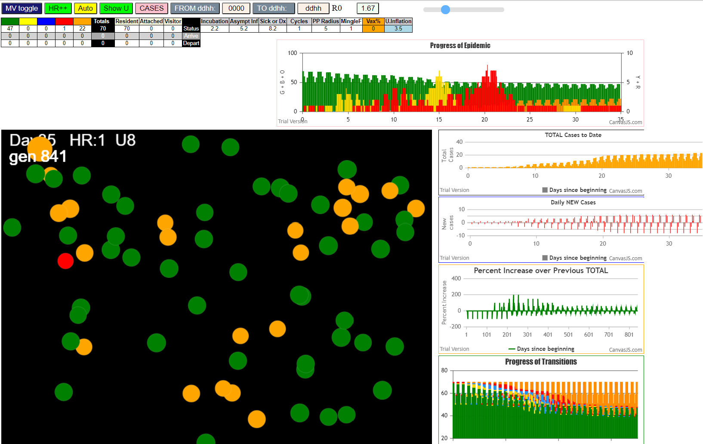

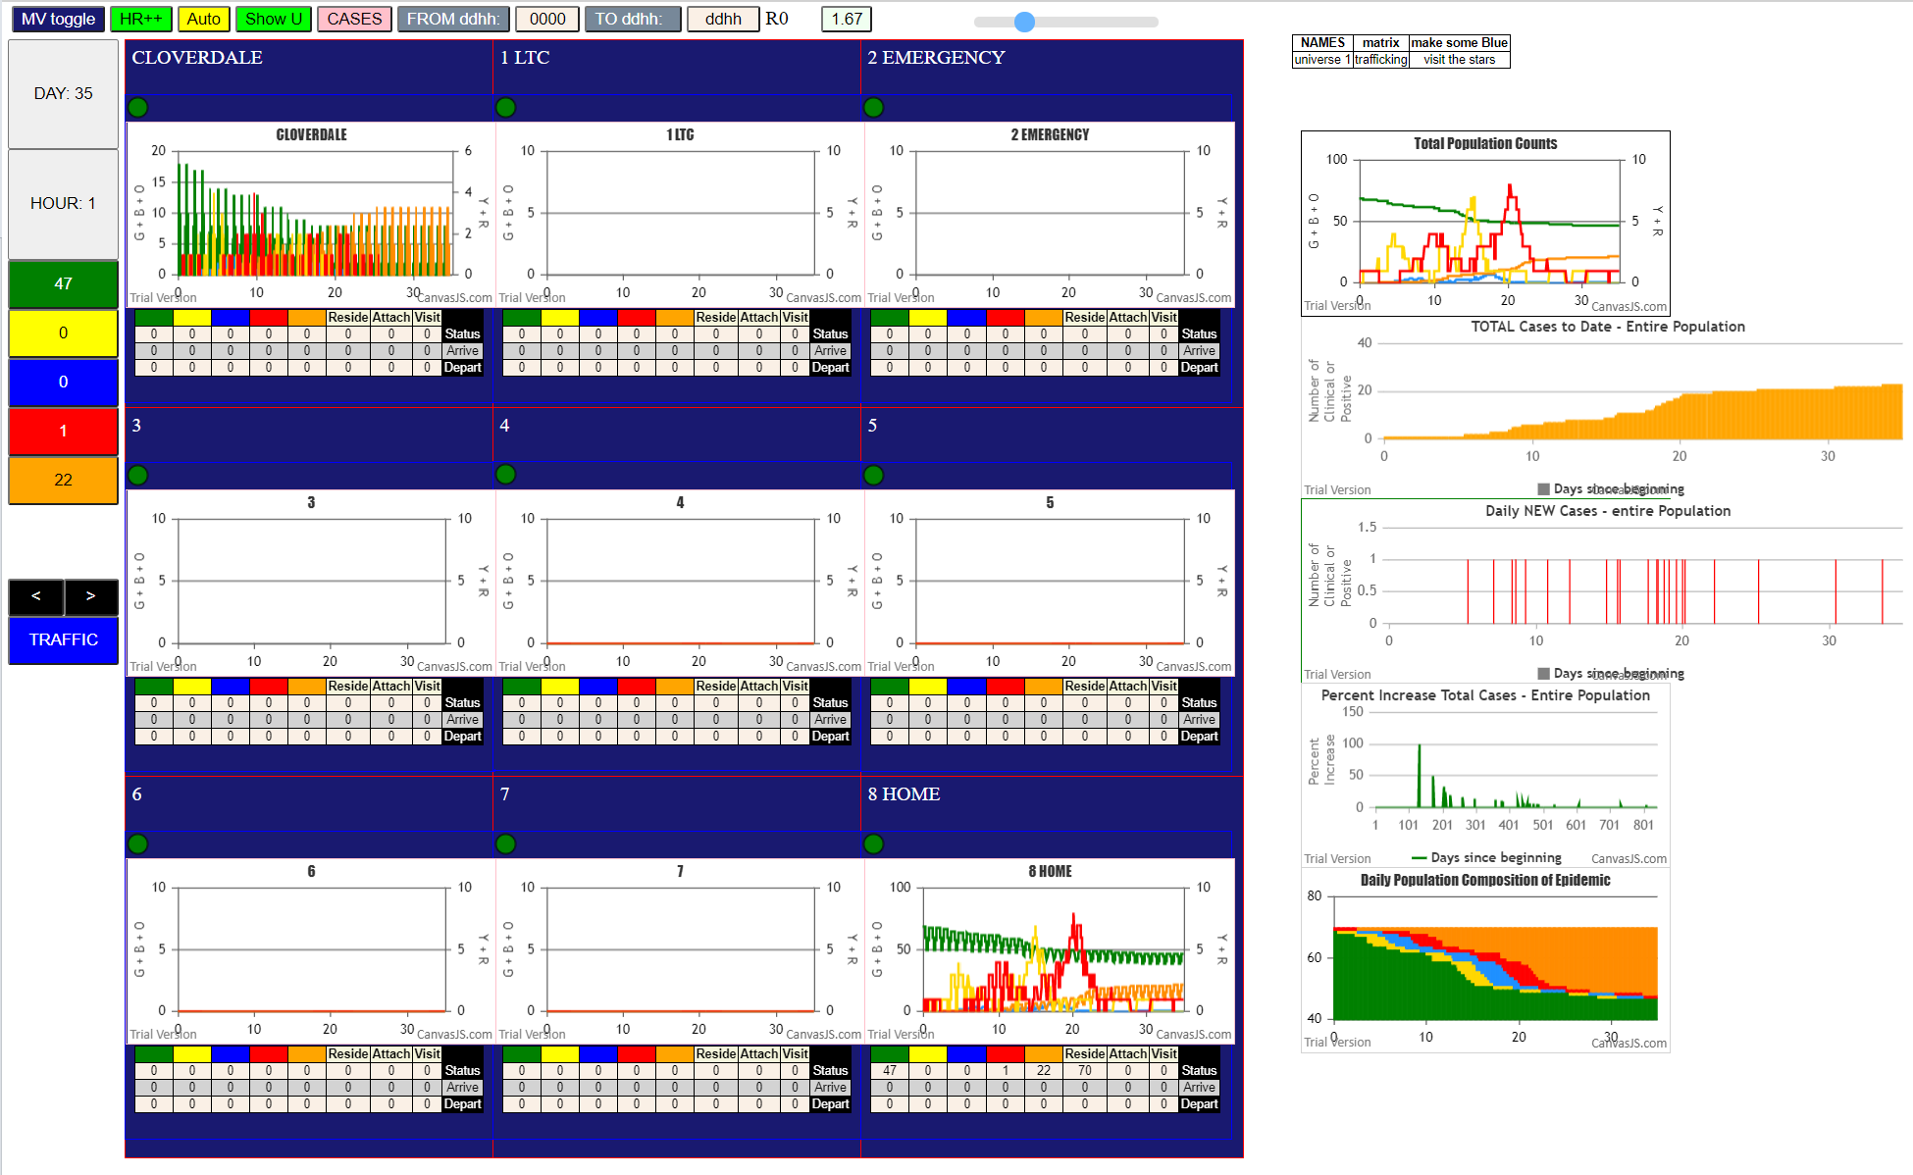

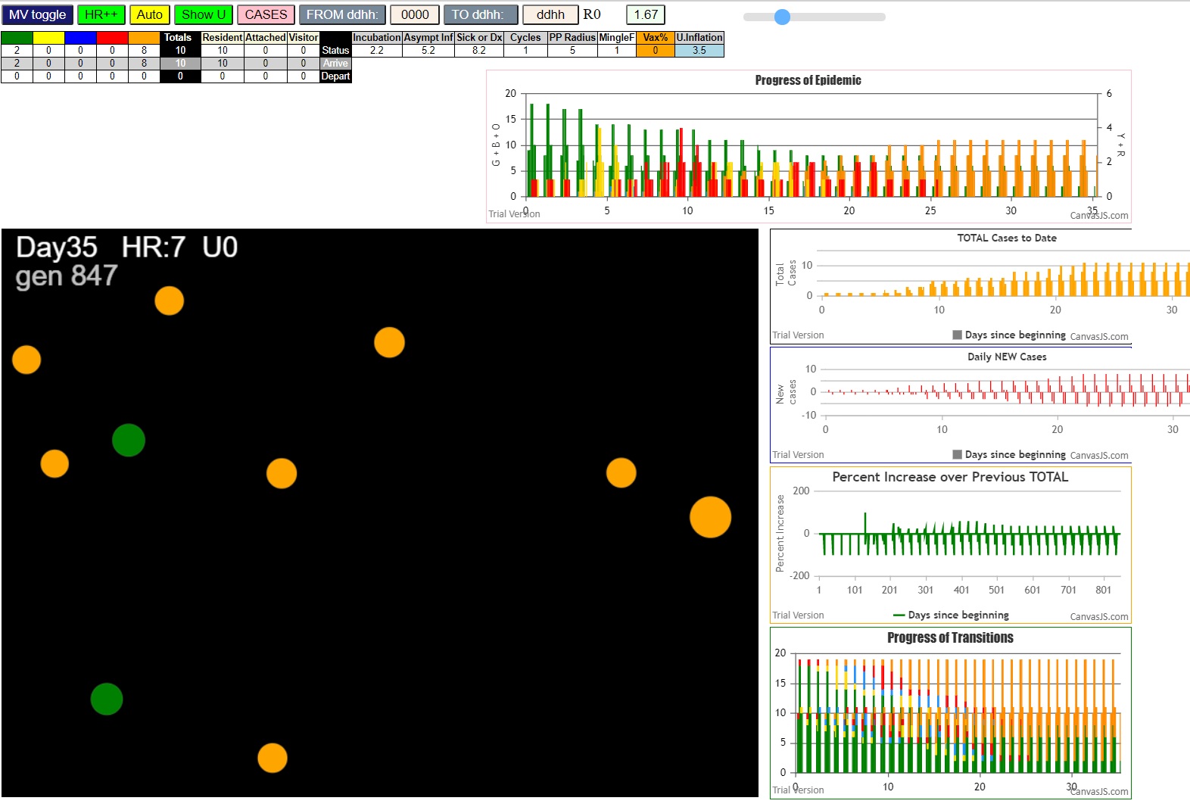

terminates in gen 872

